ERR & Sensitivity Analysis
 |  |  |  | Last updated: 9/25/2017
Tanzania: Distribution Systems Rehabilitation and Extension Activity
ERR and sensitivity analysis

Change the "User Input" cells in the table below to see the effect on the compact's Economic Rate of Return (ERR) and net benefits (see chart below). To reset all values to the default MCC estimates, click the "Reset Parameters" button at right. Be sure to reset all summary parameters to their original values ("MCC Estimate" values) before changing specific parameters.

Parameter type | Description of key parameters | Parameter values
 |  | User Input | MCC Estimate | Plausible Range | Values used in ERR computation | All summary parameters set to initial values?
Summary | Actual costs as a percentage of estimated costs | 100% | 100% | 80%-120% | 100% | Y
Summary | Actual benefits as a percentage of estimated benefits | 100% | 100% | 80%-120% | 100%

Specific | Willingness-to-pay estimates as a percentage of base estimates | 100% | 100% | 50%-130% | 100% | All specific parameters set to initial values?
Specific | Long run marginal cost of generation, excluding losses (US$/kWh) | $0.16 | $0.16 | $0.10-0.22 | $0.16 | Y
Specific | Number of initial connections as a percentage of ex ante estimates | 29% | 29% | 20-100% | 29%

0

 | User Generated Economic rate of return (ERR)*: | 12.3%

 | MCC Estimated ERRs: |  | Original | Closeout
 |  | ERR | 33% | 12.3%
 |  | Date | 2007-08-24 | 2017-09-25

 | Present Value (PV) of Benefits: | $123,592,934

 | Present Value (PV) of MCC Costs: | $102,636,838

 | * This is the only ERR figure linked to other spreadsheets. "Original," "Revised," and "Closeout" ERRs are all static for purposes of illustration.

Undiscounted Annual Net Benefits of Tanzania Distribution Systems Rehabilitation and Extension Activity1
2009 | -2.0
2010 | -4.5
2011 | -44.5
2012 | -42.7
2013 | -53.4
2014 | 8.1
2015 | 16.6
2016 | 19.2
2017 | 21.4
2018 | 23.6
2019 | 25.8
2020 | 28.1
2021 | 30.4
2022 | 32.8
2023 | 35.1
2024 | 37.6
2025 | 40.0
2026 | 42.5
2027 | 45.0
2028 | 47.6

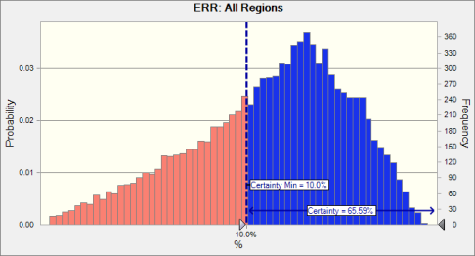

 | 1 The upper graph presents the yearly benefits accrued as a result of the project, minus the yearly costs to MCC of implementing the project.
 | 2 The lower graph was produced by running a simulation of the project's ERR 10,000 times, each of which varied the "Specific Parameters" listed in the table above according to a specified probabilistic distribution. It is meant to illustrate the uncertainty around the final ERR figure presented in this spreadsheet, and to give an idea of how likely higher and lower ERRs given this uncertainty.

Sensitivity
 | Tanzania: Distribution Systems Rehabilitation and Extension Activity |  |  |  |  |  |  |  |  |  |  |  | Last updated: 9/25/2017
 | Monte Carlo Simulation

 |  |  |  | Crystal Ball Report - Full
 |  |  |  | Simulation started on 9/25/2017 at 5:21 PM
 |  |  |  | Simulation stopped on 9/25/2017 at 5:23 PM

 | Run preferences: |  |  |  | Crystal Ball data:
 |  | Number of trials run | 10,000 |  |  | Assumptions |  | 3
 |  | Monte Carlo |  |  |  | Correlations |  | 1
 |  | Random seed |  |  |  | Correlated groups |  | 1
 |  | Precision control on |  |  |  | Decision variables |  | 0
 |  | Confidence level | 95.00% |  |  | Forecasts |  | 8

 | Run statistics:
 |  | Total running time (sec) | 88.47
 |  | Trials/second (average) | 113
 |  | Random numbers per sec | 339

 |  |  |  | Forecasts |  |  |  |  |  |  |  |  | Assumptions

Worksheet: [TZA-TD-ERR-092517.xlsm]Summary |  |  |  |  |  |  |  |  | Worksheet: [TZA-TD-ERR-092517.xlsm]ERR & Sensitivity Analysis

Forecast: ERR: All Regions |  |  |  |  |  |  | Cell: K5 |  | Assumption: Long run marginal cost of generation, excluding losses (US$/kWh) |  |  |  |  |  | Cell: D13

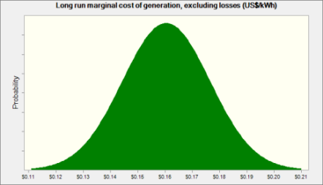
 | Summary: |  |  |  |  |  |  |  |  | Normal distribution with parameters:
 |  | Certainty level is 65.59% |  |  |  |  |  |  |  |  | Mean | $0.16
 |  | Certainty range is from 10.0% to Infinity |  |  |  |  |  |  |  |  | Std. Dev. | $0.02
 |  | Entire range is from 1.2% to 17.1%
 |  | Base case is 12.3%
 |  | After 10,000 trials, the std. error of the mean is 0.0%

 |  |  |  |  |  |  |  |  |  | Correlated with: |  |  |  | Coefficient
 |  |  |  |  |  |  |  |  |  |  | Willingness-to-pay estimates as a percentage of base estimates (D12) |  |  | 0.50

 |  |  |  |  |  |  |  |  | Assumption: Number of initial connections as a percentage of ex ante estimates |  |  |  |  |  | Cell: D14


 |  |  |  |  |  |  |  |  |  | Normal distribution with parameters:
 |  |  |  |  |  |  |  |  |  |  | Mean | 29%
 |  |  |  |  |  |  |  |  |  |  | Std. Dev. | 1%

 |  |  |  |  |  |  |  |  | Assumption: Willingness-to-pay estimates as a percentage of base estimates |  |  |  |  |  | Cell: D12

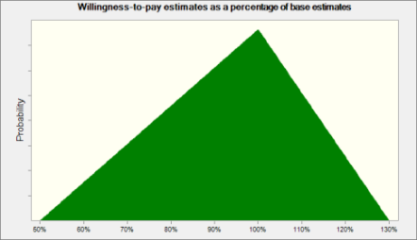
 | Statistics: |  | Forecast values |  |  |  |  |  |  | Triangular distribution with parameters:
 |  | Trials | 10,000 |  |  |  |  |  |  |  | Minimum | 50%
 |  | Base Case | 12.3% |  |  |  |  |  |  |  | Likeliest | 100%
 |  | Mean | 10.9% |  |  |  |  |  |  |  | Maximum | 130%
 |  | Median | 11.4%
 |  | Mode | ---
 |  | Standard Deviation | 3.1%
 |  | Variance | 0.1%
 |  | Skewness | -0.5547
 |  | Kurtosis | 2.74 |  |  |  |  |  |  | Correlated with: |  |  |  | Coefficient
 |  | Coeff. of Variability | 0.2827 |  |  |  |  |  |  |  | Long run marginal cost of generation, excluding losses (US$/kWh) (D13) |  |  | 0.50
 |  | Minimum | 1.2%
 |  | Maximum | 17.1% |  |  |  |  |  | End of Assumptions
 |  | Range Width | 15.8%
 |  | Mean Std. Error | 0.0%

Forecast: ERR: All Regions (cont'd) |  |  |  |  |  |  | Cell: K5

 | Percentiles: |  | Forecast values
 |  | 0% | 1.2%
 |  | 10% | 6.4%
 |  | 20% | 8.2%
 |  | 30% | 9.5%
 |  | 40% | 10.6%
 |  | 50% | 11.4%
 |  | 60% | 12.1%
 |  | 70% | 12.8%
 |  | 80% | 13.6%
 |  | 90% | 14.6%
 |  | 100% | 17.1%

Forecast: ERR: Dodoma |  |  |  |  |  |  | Cell: E5

 | Summary:
 |  | Certainty level is 56.92%
 |  | Certainty range is from 10.0% to Infinity
 |  | Entire range is from -1.8% to 17.4%
 |  | Base case is 11.8%
 |  | After 10,000 trials, the std. error of the mean is 0.0%

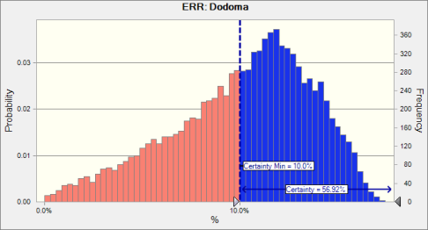

 | Statistics: |  | Forecast values
 |  | Trials | 10,000
 |  | Base Case | 11.8%
 |  | Mean | 10.1%
 |  | Median | 10.7%
 |  | Mode | ---
 |  | Standard Deviation | 3.6%
 |  | Variance | 0.1%
 |  | Skewness | -0.5892
 |  | Kurtosis | 2.81
 |  | Coeff. of Variability | 0.3571
 |  | Minimum | -1.8%
 |  | Maximum | 17.4%
 |  | Range Width | 19.3%
 |  | Mean Std. Error | 0.0%

Forecast: ERR: Dodoma (cont'd) |  |  |  |  |  |  | Cell: E5

 | Percentiles: |  | Forecast values
 |  | 0% | -1.8%
 |  | 10% | 4.9%
 |  | 20% | 7.0%
 |  | 30% | 8.5%
 |  | 40% | 9.7%
 |  | 50% | 10.7%
 |  | 60% | 11.5%
 |  | 70% | 12.3%
 |  | 80% | 13.3%
 |  | 90% | 14.4%
 |  | 100% | 17.4%

Forecast: ERR: Iringa |  |  |  |  |  |  | Cell: G5

 | Summary:
 |  | Certainty level is 0.36%
 |  | Certainty range is from 10.0% to Infinity
 |  | Entire range is from -4.5% to 10.6%
 |  | Base case is 6.3%
 |  | After 10,000 trials, the std. error of the mean is 0.0%

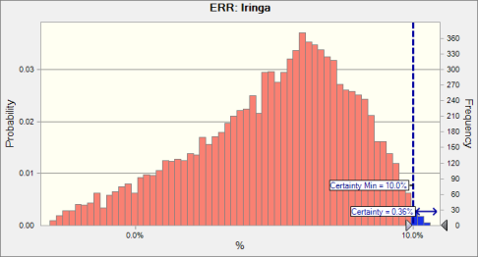

 | Statistics: |  | Forecast values
 |  | Trials | 10,000
 |  | Base Case | 6.3%
 |  | Mean | 4.9%
 |  | Median | 5.4%
 |  | Mode | ---
 |  | Standard Deviation | 2.9%
 |  | Variance | 0.1%
 |  | Skewness | -0.6083
 |  | Kurtosis | 2.83
 |  | Coeff. of Variability | 0.5803
 |  | Minimum | -4.5%
 |  | Maximum | 10.6%
 |  | Range Width | 15.1%
 |  | Mean Std. Error | 0.0%

Forecast: ERR: Iringa (cont'd) |  |  |  |  |  |  | Cell: G5

 | Percentiles: |  | Forecast values
 |  | 0% | -4.5%
 |  | 10% | 0.8%
 |  | 20% | 2.5%
 |  | 30% | 3.7%
 |  | 40% | 4.6%
 |  | 50% | 5.4%
 |  | 60% | 6.1%
 |  | 70% | 6.7%
 |  | 80% | 7.5%
 |  | 90% | 8.3%
 |  | 100% | 10.6%

Forecast: ERR: Kigoma |  |  |  |  |  |  | Cell: J5

 | Summary:
 |  | Certainty level is 0.00%
 |  | Certainty range is from 10.0% to Infinity
 |  | Entire range is from -11.6% to 5.8%
 |  | Base case is 1.2%
 |  | After 10,000 trials, the std. error of the mean is 0.0%

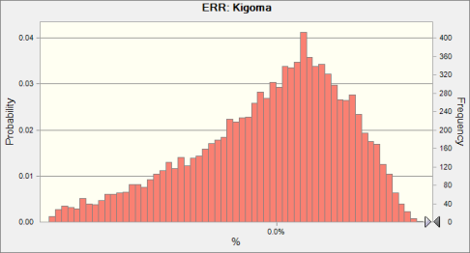

 | Statistics: |  | Forecast values
 |  | Trials | 10,000
 |  | Base Case | 1.2%
 |  | Mean | -0.3%
 |  | Median | 0.2%
 |  | Mode | ---
 |  | Standard Deviation | 3.1%
 |  | Variance | 0.1%
 |  | Skewness | -0.7120
 |  | Kurtosis | 3.06
 |  | Coeff. of Variability | -9.22
 |  | Minimum | -11.6%
 |  | Maximum | 5.8%
 |  | Range Width | 17.4%
 |  | Mean Std. Error | 0.0%

Forecast: ERR: Kigoma (cont'd) |  |  |  |  |  |  | Cell: J5

 | Percentiles: |  | Forecast values
 |  | 0% | -11.6%
 |  | 10% | -4.8%
 |  | 20% | -2.9%
 |  | 30% | -1.6%
 |  | 40% | -0.6%
 |  | 50% | 0.2%
 |  | 60% | 0.9%
 |  | 70% | 1.6%
 |  | 80% | 2.3%
 |  | 90% | 3.2%
 |  | 100% | 5.8%

Forecast: ERR: Mbeya |  |  |  |  |  |  | Cell: I5

 | Summary:
 |  | Certainty level is 98.99%
 |  | Certainty range is from 10.0% to Infinity
 |  | Entire range is from 8.4% to 23.8%
 |  | Base case is 19.1%
 |  | After 10,000 trials, the std. error of the mean is 0.0%

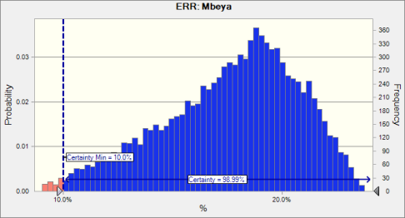

 | Statistics: |  | Forecast values
 |  | Trials | 10,000
 |  | Base Case | 19.1%
 |  | Mean | 17.7%
 |  | Median | 18.1%
 |  | Mode | ---
 |  | Standard Deviation | 3.1%
 |  | Variance | 0.1%
 |  | Skewness | -0.5087
 |  | Kurtosis | 2.66
 |  | Coeff. of Variability | 0.1744
 |  | Minimum | 8.4%
 |  | Maximum | 23.8%
 |  | Range Width | 15.4%
 |  | Mean Std. Error | 0.0%

Forecast: ERR: Mbeya (cont'd) |  |  |  |  |  |  | Cell: I5

 | Percentiles: |  | Forecast values
 |  | 0% | 8.4%
 |  | 10% | 13.2%
 |  | 20% | 15.0%
 |  | 30% | 16.3%
 |  | 40% | 17.3%
 |  | 50% | 18.1%
 |  | 60% | 18.9%
 |  | 70% | 19.6%
 |  | 80% | 20.4%
 |  | 90% | 21.4%
 |  | 100% | 23.8%

Forecast: ERR: Morogoro |  |  |  |  |  |  | Cell: F5

 | Summary:
 |  | Certainty level is 83.84%
 |  | Certainty range is from 10.0% to Infinity
 |  | Entire range is from 3.2% to 20.2%
 |  | Base case is 15.1%
 |  | After 10,000 trials, the std. error of the mean is 0.0%

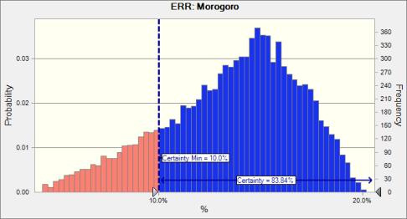

 | Statistics: |  | Forecast values
 |  | Trials | 10,000
 |  | Base Case | 15.1%
 |  | Mean | 13.6%
 |  | Median | 14.1%
 |  | Mode | ---
 |  | Standard Deviation | 3.3%
 |  | Variance | 0.1%
 |  | Skewness | -0.5398
 |  | Kurtosis | 2.71
 |  | Coeff. of Variability | 0.2441
 |  | Minimum | 3.2%
 |  | Maximum | 20.2%
 |  | Range Width | 16.9%
 |  | Mean Std. Error | 0.0%

Forecast: ERR: Morogoro (cont'd) |  |  |  |  |  |  | Cell: F5

 | Percentiles: |  | Forecast values
 |  | 0% | 3.2%
 |  | 10% | 8.8%
 |  | 20% | 10.7%
 |  | 30% | 12.1%
 |  | 40% | 13.2%
 |  | 50% | 14.1%
 |  | 60% | 14.8%
 |  | 70% | 15.6%
 |  | 80% | 16.5%
 |  | 90% | 17.5%
 |  | 100% | 20.2%

Forecast: ERR: Mwanza |  |  |  |  |  |  | Cell: H5

 | Summary:
 |  | Certainty level is 76.40%
 |  | Certainty range is from 10.0% to Infinity
 |  | Entire range is from 2.6% to 18.4%
 |  | Base case is 13.6%
 |  | After 10,000 trials, the std. error of the mean is 0.0%

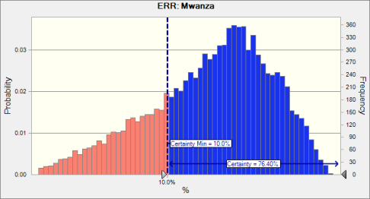

 | Statistics: |  | Forecast values
 |  | Trials | 10,000
 |  | Base Case | 13.6%
 |  | Mean | 12.2%
 |  | Median | 12.6%
 |  | Mode | ---
 |  | Standard Deviation | 3.1%
 |  | Variance | 0.1%
 |  | Skewness | -0.5434
 |  | Kurtosis | 2.72
 |  | Coeff. of Variability | 0.2546
 |  | Minimum | 2.6%
 |  | Maximum | 18.4%
 |  | Range Width | 15.8%
 |  | Mean Std. Error | 0.0%

Forecast: ERR: Mwanza (cont'd) |  |  |  |  |  |  | Cell: H5

 | Percentiles: |  | Forecast values
 |  | 0% | 2.6%
 |  | 10% | 7.7%
 |  | 20% | 9.5%
 |  | 30% | 10.8%
 |  | 40% | 11.8%
 |  | 50% | 12.6%
 |  | 60% | 13.4%
 |  | 70% | 14.1%
 |  | 80% | 14.9%
 |  | 90% | 15.9%
 |  | 100% | 18.4%

Forecast: ERR: Tanga |  |  |  |  |  |  | Cell: D5

 | Summary:
 |  | Certainty level is 20.08%
 |  | Certainty range is from 10.0% to Infinity
 |  | Entire range is from 0.2% to 12.6%
 |  | Base case is 9.0%
 |  | After 10,000 trials, the std. error of the mean is 0.0%

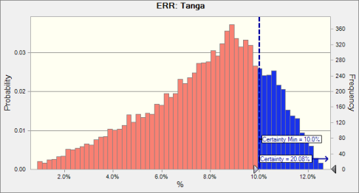

 | Statistics: |  | Forecast values
 |  | Trials | 10,000
 |  | Base Case | 9.0%
 |  | Mean | 7.8%
 |  | Median | 8.2%
 |  | Mode | ---
 |  | Standard Deviation | 2.5%
 |  | Variance | 0.1%
 |  | Skewness | -0.5568
 |  | Kurtosis | 2.73
 |  | Coeff. of Variability | 0.3160
 |  | Minimum | 0.2%
 |  | Maximum | 12.6%
 |  | Range Width | 12.4%
 |  | Mean Std. Error | 0.0%

Forecast: ERR: Tanga (cont'd) |  |  |  |  |  |  | Cell: D5

 | Percentiles: |  | Forecast values
 |  | 0% | 0.2%
 |  | 10% | 4.2%
 |  | 20% | 5.7%
 |  | 30% | 6.7%
 |  | 40% | 7.5%
 |  | 50% | 8.2%
 |  | 60% | 8.8%
 |  | 70% | 9.4%
 |  | 80% | 10.0%
 |  | 90% | 10.8%
 |  | 100% | 12.6%

End of Forecasts

PovertyScorecard
0

 | Poverty Scorecard

Tanzania: Distribution Systems Rehabilitation and Extension Activity & Kigoma Distribution
 |  |  |  |  |  | Bar Chart Data (chart below Poverty Scorecard)
 | 2013 US$ | 2005 PPP $ |  |  |  | Activity/Sub-activity | Cost Effectiveness -- Power Sector Revitalization Project | National Income Distribution
MCC Cost (Millions USD) | $136.8 | $128.5 |  |  |  | Consump. <$1.25/day | $0.02 | $0.13
20-Year ERR | 12.3% |  |  |  |  | Consump. >=$1.25/day and <$2/day | $0.12 | $0.21
Present Value (PV) of Investment Costs (Millions USD) | $102.6 | $96.4 |  |  |  | Consump. >=$2/day and <$4/day | $0.41 | $0.30
Present Value (PV) of Benefit Stream (Millions USD) | $123.6 | $116.1 |  |  |  | Consump. >$4/day | $0.65 | $0.36
 |  | Consumption per day (2005 PPP $)
Beneficiaries | Total | < $1.25 | < $2 1 | $2-$4 | > $4
 |  |  |  |  |  | National Poverty Statistics
Beneficiary Households in Year 20 (#) | 419,118 |  |  |  |  | Poverty Category | % of National HH | Avg. HH Size | % of Population | 2028 Est. Pop | Mean Daily Income/Capita | Total Income/Group | Income Share/Group
Beneficiary Individuals in Year 20 (#) | 1,747,051 |  |  |  |  | <$1.25 / day | 28% | 5.87 | 34% | 23,199,123 | 0.88 | 20,527,335 | 13%
National Population in Year 20 2 (#) | 68,810,245 |  |  |  |  | $1.25 - $1.99 / day | 27% | 5.51 | 30% | 20,662,189 | 1.59 | 32,874,576 | 21%
 |  |  |  |  |  | $2 - $4 / day | 27% | 4.51 | 25% | 17,436,279 | 2.76 | 48,038,379 | 30%
Beneficiary Population by Poverty Level 3 (%) |  | 4% | 18% | 49% | 32% | >$4 / day | 18% | 2.97 | 11% | 7,512,654 | 7.54 | 56,630,975 | 36%
National Population by Poverty Level 3 (%) |  | 13% | 34% | 30% | $0.36 | < $2.00 / day | 55% | 5.70 | 64% | 43,861,312 | 1.21 | 52,933,322 | 34%

The Magnitude of the Benefits5 |  |  |  |  |  | Existing Customer Beneficiary Statistics | 94% | of total beneficiaries |  |  | 93% | of total benefits
PV of Benefit Stream Per Beneficiary (2013 US$) | $71 | $1 | $8 | $24 | $38 | Poverty Category | % of Beneficiary HH | Avg. HH Size | % of Ben. Pop. | 2028 Est. Ben. | Mean Daily Income/Capita | Total Income/Group | Income Share/Group | Total Spending on Utilities (Tsh) | Total Benefits by Pov Group | % female
PV of Benefit Stream Per Beneficiary (2005 PPP $) | $66 | $1 | $8 | $23 | $36 | <$1.25 / day | 1% | 11.00 | 3% | 42,971 | 0.57 | 24,552 | 0% | 688,000,000 | 1% | 55.2%
PV of Benefit Stream as Share of Annual Consumption (%) | 4% | 0% | 1% | 2% | 1% | $1.25 - $1.99 / day | 10% | 5.63 | 13% | 215,352 | 1.59 | 341,850 | 4% | 7,560,000,000 | 8%
 |  |  |  |  |  | $2 - $4 / day | 43% | 5.03 | 51% | 853,591 | 2.92 | 2,491,629 | 32% | 30,600,000,000 | 34%
Cost Effectiveness |  |  |  |  |  | >$4 / day | 47% | 3.05 | 34% | 569,709 | 8.81 | 5,016,773 | 64% | 51,000,000,000 | 57%
 |  |  |  |  |  | < $2.00 / day | 11% | 6.13 | 15% | 258,323 | 1.49 | 366,402 | 5% | 8,248,000,000 | 9%

PV of Benefit Stream/PV of All Costs | $1.20 | 0.02 | 0.14 | 0.41 | 0.65
PV of Benefit Stream/MCC Costs | $0.90 | 0.01 | 0.10 | 0.31 | 0.49 | New Customer Beneficiary Statistics | 6% | of total beneficiaries | 100% |  | 7% | of total benefits
 |  |  |  |  |  | Poverty Category | % of Beneficiary HH | Avg. HH Size | % of Ben. Pop. | 2028 Est. Ben. | Mean Daily Income/Capita | Total Income/Group | Income Share/Group | Total Spending on Utilities (Tsh) | Total Benefits by Pov Group | % female
 |  |  |  |  |  | <$1.25 / day | 27% | 6.47 | 32% | 33,950 | 0.90 | 30,716 | 15% | 22,200,000,000 | 13% | 51.65%
Percent of Project Participants Who Are Female6 | 55% |  |  |  |  | $1.25 - $1.99 / day | 31% | 5.96 | 35% | 36,712 | 1.58 | 58,073 | 28% | 47,700,000,000 | 28%
 |  |  |  |  |  | $2 - $4 / day | 33% | 4.55 | 28% | 29,369 | 2.73 | 80,221 | 38% | 65,600,000,000 | 39%
Average Annual Consumption of Beneficiaries (2005 PPP $) | $1,651 |  |  |  |  | >$4 / day | 9% | 3.02 | 5% | 5,580 | 7.19 | 40,128 | 19% | 32,500,000,000 | 19%
National Average Income per capita 4 (2005 PPP $) | $1,014 |  |  |  |  | < $2.00 / day | 58% | 6.19 | 67% | 70,662 | 1.27 | 88,789 | 42% | 69,900,000,000 | 42%

National Population (2013) | 46,142,004
 |  |  |  |  |  | Total Beneficiary Statistics
NB: PV of benefits based on 10% discount rate, exclude MCC costs, and include local costs |  |  |  |  |  | Poverty Category | % of Ben. Population | 2028 Est. Ben. | Mean Annual Income/Capita | Total Income/Group | Income Share/Group | Total Spending on Utilities (Tsh) | Total Benefits by Pov Group | PV of Benefit Stream / Beneficiary | % female
NB: Beneficiaries for this project are defined as households connected or expected to be connected to the national electricity grid |  |  |  |  |  | <$1.25 / day | 4% | 76,921 | 0.72 | 55,267 | 1% | 2,158,599,430 | 2% | 2% | 55.0%
1 The beneficiaries and population living on less than $2 per day include those under $1.25 per day |  |  |  |  |  | $1.25 - $1.99 / day | 14% | 252,064 | 1.59 | 399,923 | 5% | 10,304,043,377 | 10% | 10%
2 Based on 2012 Tanzania Census counts, using the intercensal growth rate (2002-2012) to project to 2028. |  |  |  |  |  | $2 - $4 / day | 49% | 882,960 | 2.91 | 2,571,851 | 32% | 32,992,663,632 | 34% | 34%
3 Based on MCC calculations using the 2010-11 Tanzania Panel Survey. |  |  |  |  |  | >$4 / day | 32% | 575,289 | 8.79 | 5,056,901 | 63% | 49,735,306,366 | 54% | 54%
4 Based on MCC calculations using the 2010-11 Tanzania Panel Survey. |  |  |  |  |  | < $2.00 / day | 18% | 328,985 | 1.45 | 475,460 | 6% | 12,462,642,807 | 11% | 11%
5 The distribution of benefits is based on current distribution of income and average energy expenditures. |  |  |  |  |  |  |  | Average | 4.52
6 Based on MCC calculations using the 2010-11 Tanzania Panel Survey.

Tanzania Distribution Systems Rehabilitation and Extension: Cost Effectiveness

