Power Gen
Mongolia: Energy and Environment Project
Salkhit Wind Park Activity

Annual Power Generation Estimates
 |  |  |  | Salkhit Wind Park Technical Specifications
GoM |  |  |  | Total power | 50 | MW
GoM estimate | 132,284,700 | kWh/yr |  | Number of turbines | 25
Total capacity of wind farm | 438,000,000 | kWh/yr |  | Vesta V80 rotor diameter | 80 | m
Estimated capacity factor | 30.2% |  |  | Avg. wind speed Salkhit | 7.5 | m/s | 44.4% | V100 CF per CalWEA

Rough calculation using US Dept. of Energy formula

AEO = .01328*D2*V3

AEO = annual energy output (kWh/yr) |  | = | 108,002,242 | kWh/year
D = rotor diameter (ft) |  | = | 262.47 | ft
V = average annual wind speed (mph) |  | = | 16.78 | mph

Estimated capacity factor | 24.7%

Source: "Estimating a Small Wind Turbine's Annual Energy Output." US Dept. of Energy. Last updated Feb. 24, 2009.
http://www.energysavers.gov/your_home/electricity/index.cfm/mytopic=11020

Newcom
Gross power generation | 140,100,000 | kWh/year
Estimated loss | 17.2% | /year
Net power generation | 116,002,800 | kWh/year
Estimated capacity factor | 26.5%

Source: "Business Plan Salkhit Wind Park." Newcom LLC. p.4

Average cost of power for ~50 MW wind farms
Cost Comparison

Avg. wind speed (m/s) | Cost/kWh
7.15 | $0.048
8.08 | $0.036
9.32 | $0.026
Salkhit Wind Park | $0.127

Source: "The Economics of Wind Energy." American Wind Energy Association. Feb. 2005.
http://www.awea.org/pubs/factsheets/EconomicsOfWind-Feb2005.pdf

Salkhit Wind Park vs. Traditional Power Plants

Cost of Power at Traditional Plants in Mongolia
Plant | Fuel | US$/MWh | US$/kWh
Power Plant #2 | coal | 27.6 | 0.0276
Power Plant #3 | coal | 16.3 | 0.0163
Power Plant #4 | coal | 15.9 | 0.0159
Darkhan | coal | 18.2 | 0.0182
Erdenet | coal | 20.9 | 0.0209
Salkhit Wind Park | wind | 95.0 | 0.0950

Source: Economic Consulting Associates. "Mongolia: Renewable Energy Regulatory Development Road Map." Interim Report II, May 2009.

MCC Costs
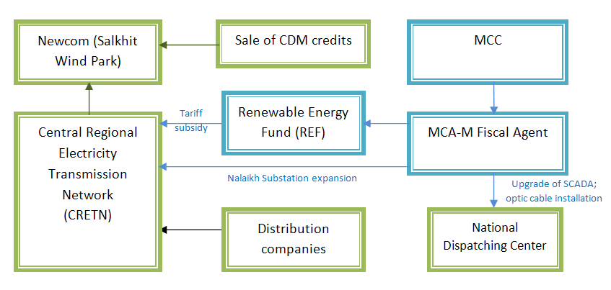
Mongolia: Energy and Environment Project
Salkhit Wind Park Activity

MCC Proposed Reallocation Costs
2009-08-10

 |  |  | Maximum Market | % Market | Cost | % subsidy | Cost to Consumer | TOTAL INVESTMENT COST
 | CONSUMPTION
1 | Energy Efficiency - Ger District Residents
a | Energy efficient Stoves or better |  | 120,000 | 50% | 100 | 70% | 30 | 4,200,000
b | Ger Insulation or better |  | 60,000 | 40% | 350 | 80% | 70 | 6,720,000
c | HOBs (JICA findings) |  | 400 | 90% | 500 | 50% | 250 | 90,000
d | Green home etc,. |  | 10,000 | 30% | 1,929 | 70% | 579 | 4,050,900
e | Small house insulation |  | 22,500 | 20% | 1,219 | 70% | 366 | 3,840,000
f | Energy Efficient Mortgages |  |  |  |  |  |  | 12,400,000
 | Ulanbaataar | Straw Bale House (UNDP)
 | Ulanbaataar | Pre-Cast Panel Buildings Refurbishment (GTZ) |  |  |  |  |  | -
 | Ulanbaataar | Other Home energy efficiency renovation including solar |  |  |  |  |  | -
 | Ulanbaataar | Habitat Homes (HFHI) |  |  |  |  |  | -
 | Ulanbaataar | BEEP Design Book (UNDP) |  |  |  |  |  | -
g | Free Stove with trade in |  |  |  |  |  |  | -
 | Subtototal |  |  |  |  |  |  | 31,300,900
2 | Facility for Alternative Fuels
 | Price Equalization Pymts |  |  |  |  |  |  | 20,000,000

3 | Public Awareness Campaign |  |  |  |  |  |  | 3,000,000
 |  |  |  |  |  |  |  |  | Share of total | Admin expenses
 | TOTAL CONSUMPTION |  |  |  |  |  |  | 54,300,900 | 86% | 2,154,767
 | PRODUCTION
4 | Wind Energy |  |  |  |  |  |  | 8,700,000 | 14% | 345,233
 | Tariff Subsidy |  |  |  |  |  |  | 6,200,000
 | Nalaikh Substation Upgrade |  |  |  |  |  |  | 700,000
 | SCADA System |  |  |  |  |  |  | 1,050,000
 | Fiber optic cable |  |  |  |  |  |  | 750,000
 | Technical assistance |  |  |  |  |  |  | 250,000
 | TOTAL MCC INVESTMENT |  |  |  |  |  |  | 63,000,900
5 | Operational cost/Program Admin |  |  |  |  |  |  | 2,500,000
 | GRAND TOTAL MCC INVESTMENT |  |  |  |  |  |  | 65,500,900

 |  |  | 2012 | 2013 | 2014 | 2015 | Total
 |  | Tariff subsidy requested by CRETN | - | 1,363,823 | 5,455,290 | 5,455,290 | 12,274,403
 |  | Tariff subsidy in MCC financial plan | - | - | 2,479,514.61 | 3,720,485 | 6,200,000
 |  | MCC subsidy used in ERR model | - | 1,363,823 | 4,836,178 | - | 6,200,000

 |  | Total MCC cost | 8,950,000
 |  |  |  |  | 3,065,000 | 4,599,000 | 7,664,000
 |  |  |  |  | 40% | 60%

Charts
Mongolia: Energy and Environment Project
Salkhit Wind Park Activity

Salkhit Wind Park Benefits by Source
Benefits
Source | PV of benefits | %
Avoided Fuel Costs | 13,391,748 | 16%
Newcom CDM credit sales | 16,619,724 | 19%
Water Savings | 50,289 | 0%
Health cost savings | 45,897,273 | 53%
Power quality & reliability benefits | 10,032,036 | 12%
Total | 85,991,070 | 100%

