ERR & Sensitivity Analysis
Indonesia: Procurement Modernization
ERR and sensitivity analysis

Change the "User Input" cells in the table below to see the effect on the compact's Economic Rate of Return (ERR) and net benefits (see chart below). To reset all values to the default MCC estimates, click the "Reset Parameters" button at right. Be sure to reset all summary parameters to their original values ("MCC Estimate" values) before changing specific parameters.

Parameter type | Description of key parameters | Parameter values
 |  | User Input | MCC Estimate | Plausible Range | Values used in ERR computation | All summary parameters set to initial values?
Summary | Actual costs as a percentage of estimated costs | 100% | 100% | 80%-120% | 100% | Y
Summary | Actual benefits as a percentage of estimated benefits | 100% | 100% | 80%-120% | 100%

General | Exchange Rate, IDR per USD | IDR 13,308 | IDR 13,308 | Rp13,000-16,000 | IDR 13,308 | All specific parameters set to initial values?
Specific | Upkeep Cost of Procurement Skills, % of MCC investment | 1.5% | 1.5% | 1.5%-3% | 1.5%
Specific | Share of Budget Execution in Construction, % | 58.9% | 58.9% | 50%-65% | 58.9% | #REF!
Specific | Increase in Value for Money for construction projects (Delta-VfM) attributed to the project, % | 6.60% | 6.60% | 3.5%-10% | 6.60%
Specific | Decrease in Firm Profits attributed to the project, % | 5.30% | 5.30% | < Delta-VfM | 5.30%
Specific | Procurement Spending Affected by treatment, Million USD | M$ 1,745 | M$ 1,745 | B$1.5-B$2 US | M$ 1,745
Specific | Increase in budget execution attributed to project, % | 0.00% | 0.00% | 0%-30% | 0.00%
Specific | Rate of Reform Convergence per year, Excess Progress of Untreated PSU, % | 0.00% | 0.00% | 0%-10% | 0.00%

 | User Generated Economic rate of return (ERR)*: | 11.5%

 |  |  |  |  |  | 0
 | MCC Estimated ERRs: |  | Original | Closeout
 |  | ERR | None | 11.5%
 |  | Date | N/A | 2019-11-19

 | Present Value (PV) of Benefits: | $51,817,748

 | Present Value (PV) of MCC Costs: | $46,301,804

 | * This is the only ERR figure linked to other spreadsheets. "Original," "Revised," and "Closeout" ERRs are all static for purposes of illustration.

Undiscounted Net Annual Benefits of Procurement Modernization Project1
 | -2942
 | -7769
 | -15200
 | -22350
 | -18249
 | 8559
 | 5770
 | 12373
 | 12358
 | 12343
 | 12328
 | 12313
 | 12297
 | 12281
 | 12265
 | 12249
 | 12232
 | 12215
 | 12198
 | 12181

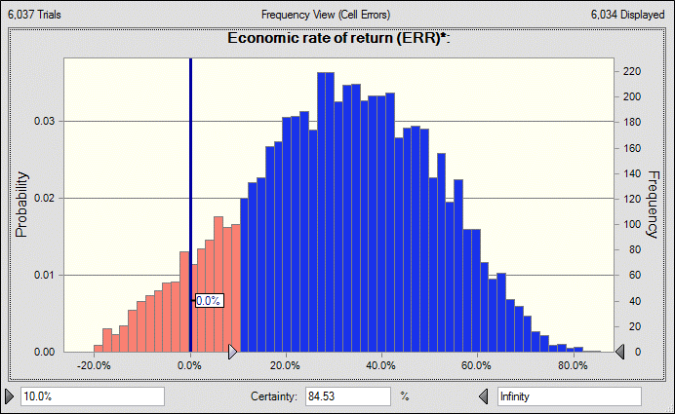

 | 1 This graph presents the yearly benefits accrued as a result of the project, minus the yearly costs to MCC of implementing the project.
 | 2 This graph was produced by running a simulation of the project's ERR 10,000 times, each of which varied the "Specific Parameters" listed in the table above according to a specified probabilistic distribution. It is meant to illustrate the uncertainty around the final ERR figure presented in this spreadsheet, and to give an idea of how likely higher and lower ERRs given this uncertainty.

ERR Theory
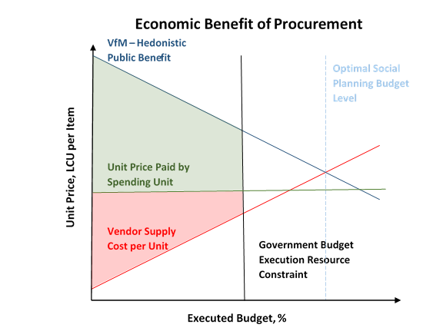
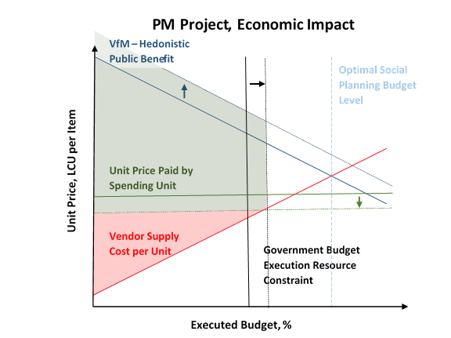

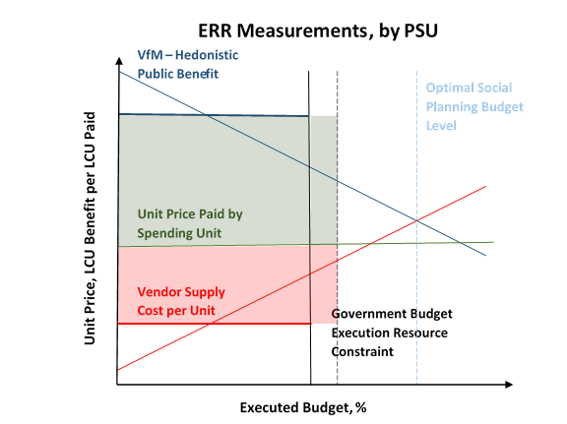
The VfM (i.e. Hedonistic Public Benefit) is measured with the following procedure:
· In each treatment and comparison PSU, focus groups are asked to determine a representative procurement project which is typical of procurements at the PSU.
· The representative procurement is described to each focus group, including the project’s PAGU, or (politically determined) budget allocation.
· With the PAGU as a reference point, and a project description set, the focus group is split into two: the spending unit and the PSU, which are not allowed to interact.
· The spending unit is asked to determine the value of the goods delivered by the project. The Delphi Method is used so that participants can discuss the relative merits of a typical project in their area.
· The PSU is likewise asked to determine the cost of the winning contract to the government.
· The ratio of the value of goods to the cost of the winning contract is an approximate estimate of the VfM of the project
· THIS ASSUMES: (1) the value estimate and cost estimate are unbiased estimates for the typical project AND (2) that the typical project provides an estimate of the average benefit per money spent.
The Producer Surplus (area above the supply “Cost per Unit” curve) is measured with the following procedure:
· A listing of procurements initiated from treated and comparison PSUs is obtained.
· Procurements are sampled from the list proportional to the square-root of the value of the contract (so that large contracts are under-sampled) from each PSU, with small PSUs having a minimum sampling quota of 6 contracts.
· Respondents are asked questions from which is determined the profitability of sampled contracts.

Fiscal Space
ERR w/ Fiscal Space | 63.2% |  | NB: the following is a back-of-the-envelope estimate of the effect of benefit of tax savings as a result of lower prices to the government for comparable procurements.
Benefits, NPV @ 10% | $421,118,982
Net Benefits, NPV @ 10% | $371,417,068
 |  | NOTE: Costs and Benefits Attributed to Professionalization Activity Only

 |  | Net Benefit, with Tax Savings Included
 |  |  | 1 | 2 | 3 | 4 | 5 | 6 | 7 | 8 | 9 | 10 | 11 | 12 | 13 | 14 | 15 | 16 | 17 | 18 | 19 | 20
 |  | Benefits | 0 | 0 | 0 | 0 | 0 | 89,167,663 | 89,167,663 | 89,167,663 | 89,167,663 | 89,167,663 | 89,167,663 | 89,167,663 | 89,167,663 | 89,167,663 | 89,167,663 | 89,167,663 | 89,167,663 | 89,167,663 | 89,167,663 | 89,167,663
 |  | Net | -2,528,941 | -7,131,962 | -14,667,319 | -20,915,834 | -15,439,743 | 85,159,786 | 88,197,288 | 88,182,732 | 88,167,958 | 88,152,962 | 88,137,742 | 88,122,293 | 88,106,613 | 88,090,697 | 88,074,542 | 88,058,146 | 88,041,503 | 88,024,610 | 88,007,465 | 87,990,062

 |  | Benefit of Tax Savings
 |  |  | 1 | 2 | 3 | 4 | 5 | 6 | 7 | 8 | 9 | 10 | 11 | 12 | 13 | 14 | 15 | 16 | 17 | 18 | 19 | 20
 |  | Benefits | 0 | 0 | 0 | 0 | 0 | 75,809,546 | 75,809,546 | 75,809,546 | 75,809,546 | 75,809,546 | 75,809,546 | 75,809,546 | 75,809,546 | 75,809,546 | 75,809,546 | 75,809,546 | 75,809,546 | 75,809,546 | 75,809,546 | 75,809,546
Effective Marginal Tax Rate, %
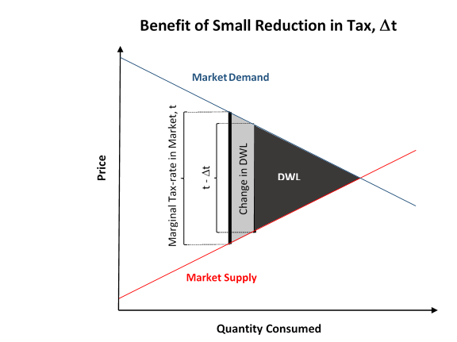
10% | Assumption
0-25% | MCC Range
11.7% | Sensitivity

Demographics
 |  | Variable | Affected Population - Inferred | Affected Population - Inferred | Affected Population - Inferred | Affected Population - Inferred | Affected Population - Inferred | GDP current prices | GDP current prices | GDP current prices | GDP current prices | GDP current prices | GDP current prices | GDP current prices | GDP current prices | GDP current prices | GDP current prices | GDP 2010 Prices | GDP 2010 Prices | GDP 2010 Prices | GDP 2010 Prices | GDP 2010 Prices | GDP 2010 Prices | GDP 2010 Prices | GDP 2010 Prices | GDP 2010 Prices | GDP 2010 Prices | GDP Growth | GDP Growth | GDP Growth | GDP Growth | GDP Growth | GDP Growth | GDP Growth | GDP Growth | GDP Growth | GDP Growth | GDP per cap | GDP per cap | GDP per cap | GDP per cap | GDP per cap | GDP per cap | GDP per cap | GDP per cap | GDP per cap | GDP per cap | GDP per cap | Beneficiary Count | Beneficiary Count | Beneficiary Count | Beneficiary Count | Benefits Share | Benefits Share | Benefits Share | Benefits Share
 |  | Name | 2012 | 2013 | 2014 | 2015 | 2016 | 2012 | 2013 | 2014 | 2015 | 2016 | 2012 | 2013 | 2014 | 2015 | 2016 | 2012 | 2013 | 2014 | 2015 | 2016 | 2012 | 2013 | 2014 | 2015 | 2016 | 2012 | 2013 | 2014 | 2015 | 2016 | 2012 | 2013 | 2014 | 2015 | 2016 | 2012 | 2013 | 2014 | 2015 | 2016 | 2012 | 2013 | 2014 | 2015 | 2016 | 2016 | 2016 | 2016 | 2016 | 2016 | 2016 | 2016 | 2016 | 2016
(Pilot) | (Type) | (Name) | (Local) | (Local) | (Local) | (Local) | (Local) | (Local) | (Local) | (Local) | (Local) | (Local) | (Prov.) | (Prov.) | (Prov.) | (Prov.) | (Prov.) | (Local) | (Local) | (Local) | (Local) | (Local) | (Prov.) | (Prov.) | (Prov.) | (Prov.) | (Prov.) | (Local) | (Local) | (Local) | (Local) | (Local) | (Prov.) | (Prov.) | (Prov.) | (Prov.) | (Prov.) | (Local) | (Local) | (Local) | (Local) | (Local) | (Prov.) | (Prov.) | (Prov.) | (Prov.) | (Prov.)
1 | Kabupaten | Badung | 575,014 | 589,010 | 602,694 | 616,421 | 630,016 | 27,201 | 31,790 | 37,273 | 41,384 | 46,148 | 117,987 | 134,408 | 156,396 | 177,156 | 195,376 | 24,028 | 25,667 | 27,458 | 29,180 | 31,161 | 106,951 | 114,104 | 121,788 | 129,131 | 137,193 | 7.64% | 6.82% | 6.98% | 6.27% | 6.79% | 6.96% | 6.69% | 6.73% | 6.03% | 6.24% | 47,305 | 53,972 | 61,844 | 67,136 | 73,249 | 29,444 | 33,135 | 38,100 | 42,659 | 46,517 | 101.1% | 2,809 | 41,784 | 208,573 | 376,850 | $3,205 | $47,672 | $237,965 | $429,956
1 | Kota | Balikpapan | 583,274 | 594,327 | 605,098 | 615,572 | 625,968 | 58,696 | 64,293 | 71,623 | 74,273 | 79,650 | 550,736 | 519,132 | 527,515 | 503,691 | 507,074 | 63,615 | 65,907 | 68,964 | 69,859 | 73,185 | 469,646 | 438,533 | 446,029 | 440,648 | 438,977 | 5.57% | 3.60% | 4.64% | 1.30% | 4.76% | -2.78% | 2.76% | 1.71% | -1.21% | -0.38% | 100,632 | 108,178 | 118,366 | 120,657 | 127,243 | 145,998 | 158,473 | 157,400 | 146,993 | 144,827 | 314.9% | 0 | 0 | 96,187 | 529,781 | $0 | $0 | $190,636 | $1,049,987
2 | Kota | Bandung | 2,444,622 | 2,458,482 | 2,470,821 | 2,481,470 | 2,490,614 | 131,990 | 151,794 | 172,698 | 195,845 | 217,042 | 1,128,246 | 1,258,989 | 1,385,825 | 1,524,832 | 1,652,589 | 119,632 | 129,005 | 138,961 | 149,580 | 161,228 | 1,028,410 | 1,093,544 | 1,149,216 | 1,207,083 | 1,275,546 | 8.53% | 7.84% | 7.72% | 7.64% | 7.79% | 6.50% | 6.33% | 5.09% | 5.04% | 5.67% | 53,992 | 61,743 | 69,895 | 78,923 | 87,144 | 25,272 | 27,767 | 30,107 | 32,645 | 34,880 | 75.8% | 13,375 | 186,198 | 876,844 | 1,414,197 | $18,155 | $252,736 | $1,190,183 | $1,919,558
1 | Kabupaten | Banggai | 336,886 | 342,698 | 348,486 | 354,401 | 360,021 | 8,567 | 9,942 | 11,231 | 15,224 | 20,901 | 69,638 | 79,842 | 90,246 | 107,599 | 120,233 | 7,557 | 8,277 | 8,713 | 11,650 | 15,974 | 62,250 | 68,219 | 71,678 | 82,803 | 91,071 | 10.73% | 9.53% | 5.27% | 33.71% | 37.12% | 9.53% | 9.59% | 5.07% | 15.52% | 9.98% | 25,430 | 29,011 | 32,228 | 42,957 | 58,055 | 25,422 | 28,664 | 31,875 | 37,404 | 41,151 | 89.5% | 1,757 | 25,278 | 122,675 | 210,311 | $1,589 | $22,858 | $110,930 | $190,176
1 | Kabupaten | Banjar | 527,197 | 536,312 | 545,390 | 554,440 | 563,071 | 9,518 | 10,287 | 11,457 | 12,476 | 13,387 | 106,725 | 115,858 | 127,882 | 137,392 | 146,326 | 8,671 | 9,070 | 9,531 | 9,951 | 10,418 | 96,698 | 101,851 | 106,779 | 110,868 | 115,728 | 6.28% | 4.60% | 5.08% | 4.40% | 4.70% | 5.97% | 5.33% | 4.84% | 3.83% | 4.38% | 18,054 | 19,181 | 21,007 | 22,502 | 23,775 | 28,197 | 30,058 | 32,600 | 34,436 | 36,081 | 78.4% | 2,971 | 41,605 | 197,014 | 321,481 | $1,100 | $15,407 | $72,958 | $119,050
0 | Kota | Banjar | 178,709 | 179,681 | 180,505 | 181,428 | 181,878 | 2,466 | 2,759 | 3,011 | 3,331 | 3,611 | 1,128,246 | 1,258,989 | 1,385,825 | 1,524,832 | 1,652,589 | 2,251 | 2,374 | 2,492 | 2,624 | 2,778 | 1,028,410 | 1,093,544 | 1,149,216 | 1,207,083 | 1,275,546 | 5.32% | 5.45% | 4.98% | 5.32% | 5.86% | 6.50% | 6.33% | 5.09% | 5.04% | 5.67% | 13,799 | 15,355 | 16,681 | 18,360 | 19,854 | 25,272 | 27,767 | 30,107 | 32,645 | 34,880 | 75.8% | 977 | 13,597 | 64,032 | 103,272 | $302 | $4,205 | $19,802 | $31,936
1 | Kabupaten | Banyuasin | 776,366 | 788,314 | 800,017 | 811,474 | 822,575 | 15,636 | 17,525 | 19,134 | 20,794 | 22,861 | 253,265 | 280,348 | 306,422 | 332,893 | 355,419 | 13,778 | 14,629 | 15,381 | 16,236 | 17,190 | 220,459 | 232,175 | 243,298 | 254,045 | 266,815 | 6.15% | 6.18% | 5.14% | 5.56% | 5.88% | 6.83% | 5.31% | 4.79% | 4.42% | 5.03% | 20,140 | 22,231 | 23,917 | 25,625 | 27,792 | 32,830 | 35,810 | 38,585 | 41,341 | 43,551 | 94.7% | 3,859 | 56,324 | 276,725 | 485,667 | $1,671 | $24,382 | $119,790 | $210,239
0 | Kabupaten | Banyuwangi | 1,574,543 | 1,582,579 | 1,588,092 | 1,594,062 | 1,599,812 | 42,108 | 47,365 | 53,371 | 60,179 | 66,341 | 1,248,767 | 1,382,501 | 1,537,948 | 1,692,903 | 1,855,043 | 37,236 | 39,734 | 42,006 | 44,530 | 46,925 | 1,124,465 | 1,192,790 | 1,262,684 | 1,331,395 | 1,405,236 | 7.24% | 6.71% | 5.72% | 6.01% | 5.38% | 6.64% | 6.08% | 5.86% | 5.44% | 5.55% | 26,743 | 29,929 | 33,607 | 37,752 | 41,468 | 32,770 | 36,037 | 39,833 | 43,578 | 47,474 | 103.2% | 7,014 | 104,993 | 526,872 | 960,933 | $4,530 | $67,815 | $340,308 | $620,669
0 | Provinsi | Bengkulu | 1,783,734 | 1,814,340 | 1,844,822 | 1,874,959 | 1,904,800 | 36,208 | 40,565 | 45,390 | 50,337 | 55,403 | 36,208 | 40,565 | 45,390 | 50,337 | 55,403 | 32,363 | 34,326 | 36,207 | 38,066 | 40,083 | 32,363 | 34,326 | 36,207 | 38,066 | 40,083 | 6.83% | 6.07% | 5.48% | 5.13% | 5.30% | 6.83% | 6.07% | 5.48% | 5.13% | 5.30% | 20,299 | 22,358 | 24,604 | 26,847 | 29,086 | 20,299 | 22,358 | 24,604 | 26,847 | 29,086 | 63.2% | 11,093 | 150,405 | 690,518 | 1,052,784 | $5,026 | $68,140 | $312,833 | $476,955
1 | Kabupaten | Berau | 191,575 | 197,386 | 203,224 | 208,894 | 214,829 | 24,907 | 28,044 | 29,367 | 30,070 | 30,789 | 550,736 | 519,132 | 527,515 | 503,691 | 507,074 | 20,467 | 22,591 | 24,450 | 25,923 | 25,482 | 469,646 | 438,533 | 446,029 | 440,648 | 438,977 | 15.47% | 10.38% | 8.23% | 6.03% | -1.70% | -2.78% | 2.76% | 1.71% | -1.21% | -0.38% | 130,012 | 142,077 | 144,506 | 143,949 | 143,319 | 145,998 | 158,473 | 157,400 | 146,993 | 144,827 | 314.9% | 0 | 0 | 33,011 | 181,818 | $0 | $0 | $73,691 | $405,876
0 | Kabupaten | Boalemo | 137,498 | 141,532 | 145,685 | 149,837 | 153,995 | 2,496 | 2,853 | 3,263 | 3,705 | 4,166 | 19,670 | 22,129 | 25,194 | 28,536 | 31,824 | 2,213 | 2,379 | 2,553 | 2,715 | 2,886 | 17,987 | 19,368 | 20,776 | 22,069 | 23,507 | 7.42% | 7.48% | 7.31% | 6.37% | 6.29% | 7.91% | 7.67% | 7.27% | 6.22% | 6.52% | 18,153 | 20,158 | 22,417 | 24,727 | 27,053 | 18,208 | 20,154 | 22,583 | 25,181 | 27,654 | 60.1% | 914 | 12,319 | 56,223 | 84,539 | $385 | $5,191 | $23,691 | $35,622
0 | Kota | Bogor | 995,080 | 1,013,012 | 1,030,731 | 1,047,920 | 1,064,692 | 23,255 | 26,082 | 29,147 | 32,365 | 35,401 | 1,128,246 | 1,258,989 | 1,385,825 | 1,524,832 | 1,652,589 | 21,204 | 22,485 | 23,835 | 25,299 | 27,002 | 1,028,410 | 1,093,544 | 1,149,216 | 1,207,083 | 1,275,546 | 6.31% | 6.04% | 6.01% | 6.14% | 6.73% | 6.50% | 6.33% | 5.09% | 5.04% | 5.67% | 23,370 | 25,747 | 28,278 | 30,885 | 33,250 | 25,272 | 27,767 | 30,107 | 32,645 | 34,880 | 75.8% | 5,717 | 79,596 | 374,835 | 604,544 | $2,961 | $41,223 | $194,127 | $313,093
1 | Kabupaten | Bone Bolango | 146,752 | 148,984 | 151,076 | 153,171 | 155,225 | 2,175 | 2,425 | 2,768 | 3,138 | 3,509 | 19,670 | 22,129 | 25,194 | 28,536 | 31,824 | 1,976 | 2,127 | 2,291 | 2,440 | 2,601 | 17,987 | 19,368 | 20,776 | 22,069 | 23,507 | 7.47% | 7.63% | 7.72% | 6.52% | 6.61% | 7.91% | 7.67% | 7.27% | 6.22% | 6.52% | 14,821 | 16,277 | 18,322 | 20,487 | 22,606 | 18,208 | 20,154 | 22,583 | 25,181 | 27,654 | 60.1% | 921 | 12,418 | 56,672 | 85,214 | $324 | $4,372 | $19,955 | $30,005
0 | Kota | Bontang | 152,091 | 155,880 | 159,614 | 163,327 | 166,869 | 54,512 | 56,278 | 59,055 | 58,503 | 53,936 | 550,736 | 519,132 | 527,515 | 503,691 | 507,074 | 45,624 | 43,012 | 41,622 | 43,435 | 42,787 | 469,646 | 438,533 | 446,029 | 440,648 | 438,977 | -9.18% | -5.72% | -3.23% | 4.35% | -1.49% | -2.78% | 2.76% | 1.71% | -1.21% | -0.38% | 358,419 | 361,035 | 369,988 | 358,196 | 323,224 | 145,998 | 158,473 | 157,400 | 146,993 | 144,827 | 314.9% | 0 | 0 | 25,641 | 141,228 | $0 | $0 | $129,090 | $711,013
1 | Kota | Cimahi | 562,718 | 570,981 | 579,018 | 586,589 | 594,014 | 16,500 | 18,385 | 20,569 | 22,647 | 24,547 | 1,128,246 | 1,258,989 | 1,385,825 | 1,524,832 | 1,652,589 | 15,212 | 16,072 | 16,955 | 17,876 | 18,880 | 1,028,410 | 1,093,544 | 1,149,216 | 1,207,083 | 1,275,546 | 6.24% | 5.65% | 5.49% | 5.43% | 5.62% | 6.50% | 6.33% | 5.09% | 5.04% | 5.67% | 29,322 | 32,199 | 35,524 | 38,608 | 41,324 | 25,272 | 27,767 | 30,107 | 32,645 | 34,880 | 75.8% | 3,190 | 44,408 | 209,128 | 337,288 | $2,053 | $28,584 | $134,607 | $217,098
2 | Kota | Cirebon | 298,833 | 301,732 | 304,586 | 307,497 | 310,476 | 12,285 | 13,612 | 15,038 | 16,710 | 18,138 | 1,128,246 | 1,258,989 | 1,385,825 | 1,524,832 | 1,652,589 | 11,309 | 11,864 | 12,541 | 13,269 | 14,059 | 1,028,410 | 1,093,544 | 1,149,216 | 1,207,083 | 1,275,546 | 5.92% | 4.90% | 5.71% | 5.81% | 5.95% | 6.50% | 6.33% | 5.09% | 5.04% | 5.67% | 41,110 | 45,113 | 49,372 | 54,342 | 58,420 | 25,272 | 27,767 | 30,107 | 32,645 | 34,880 | 75.8% | 1,667 | 23,211 | 109,306 | 176,292 | $1,517 | $21,121 | $99,462 | $160,416
1 | Kabupaten | Dharmasraya | 204,503 | 210,679 | 216,917 | 223,099 | 229,329 | 5,741 | 6,432 | 7,155 | 7,723 | 8,434 | 131,436 | 146,900 | 164,944 | 179,405 | 195,683 | 5,140 | 5,475 | 5,822 | 6,157 | 6,489 | 118,724 | 125,941 | 133,341 | 140,705 | 148,111 | 6.19% | 6.51% | 6.34% | 5.75% | 5.39% | 6.31% | 6.08% | 5.88% | 5.52% | 5.26% | 28,073 | 30,530 | 32,985 | 34,617 | 36,777 | 26,286 | 28,994 | 32,141 | 34,526 | 37,205 | 80.9% | 1,190 | 16,758 | 79,775 | 131,606 | $682 | $9,600 | $45,698 | $75,388
1 | Provinsi | DKI Jakarta | 9,862,111 | 9,969,940 | 10,075,329 | 10,177,944 | 10,277,627 | 1,369,433 | 1,546,876 | 1,762,316 | 1,989,330 | 2,177,120 | 1,369,433 | 1,546,876 | 1,762,316 | 1,989,330 | 2,177,120 | 1,222,528 | 1,296,695 | 1,373,389 | 1,454,346 | 1,539,377 | 1,222,528 | 1,296,695 | 1,373,389 | 1,454,346 | 1,539,377 | 6.53% | 6.07% | 5.91% | 5.89% | 5.85% | 6.53% | 6.07% | 5.91% | 5.89% | 5.85% | 138,858 | 155,154 | 174,914 | 195,455 | 211,831 | 138,858 | 155,154 | 174,914 | 195,455 | 211,831 | 460.5% | 0 | 0 | 336,621 | 9,941,006 | $0 | $0 | $1,110,669 | $32,799,998
0 | Kabupaten | Gianyar | 481,185 | 486,037 | 490,524 | 495,149 | 499,584 | 13,605 | 15,368 | 17,909 | 20,054 | 22,217 | 117,987 | 134,408 | 156,396 | 177,156 | 195,376 | 12,509 | 13,361 | 14,269 | 15,174 | 16,130 | 106,951 | 114,104 | 121,788 | 129,131 | 137,193 | 7.08% | 6.82% | 6.80% | 6.34% | 6.30% | 6.96% | 6.69% | 6.73% | 6.03% | 6.24% | 28,274 | 31,619 | 36,510 | 40,501 | 44,471 | 29,444 | 33,135 | 38,100 | 42,659 | 46,517 | 101.1% | 2,228 | 33,134 | 165,393 | 298,829 | $1,543 | $22,951 | $114,564 | $206,992
1 | Provinsi | Gorontalo | 1,080,295 | 1,097,996 | 1,115,618 | 1,133,236 | 1,150,792 | 19,670 | 22,129 | 25,194 | 28,536 | 31,824 | 19,670 | 22,129 | 25,194 | 28,536 | 31,824 | 17,987 | 19,368 | 20,776 | 22,069 | 23,507 | 17,987 | 19,368 | 20,776 | 22,069 | 23,507 | 7.91% | 7.67% | 7.27% | 6.22% | 6.52% | 7.91% | 7.67% | 7.27% | 6.22% | 6.52% | 18,208 | 20,154 | 22,583 | 25,181 | 27,654 | 18,208 | 20,154 | 22,583 | 25,181 | 27,654 | 60.1% | 6,831 | 92,063 | 420,153 | 631,745 | $2,942 | $39,655 | $180,975 | $272,116
2 | Kabupaten | Gresik | 1,211,680 | 1,227,097 | 1,241,618 | 1,256,318 | 1,270,695 | 74,946 | 83,153 | 93,798 | 100,724 | 107,882 | 1,248,767 | 1,382,501 | 1,537,948 | 1,692,903 | 1,855,043 | 67,249 | 71,314 | 76,336 | 81,360 | 85,835 | 1,124,465 | 1,192,790 | 1,262,684 | 1,331,395 | 1,405,236 | 6.92% | 6.05% | 7.04% | 6.58% | 5.50% | 6.64% | 6.08% | 5.86% | 5.44% | 5.55% | 61,853 | 67,764 | 75,545 | 80,174 | 84,900 | 32,770 | 36,037 | 39,833 | 43,578 | 47,474 | 103.2% | 5,571 | 83,394 | 418,483 | 763,247 | $7,367 | $110,280 | $553,400 | $1,009,315
0 | Kabupaten | Gunung Kidul | 692,566 | 700,189 | 707,756 | 715,308 | 722,477 | 10,545 | 11,530 | 12,557 | 13,799 | 14,982 | 77,248 | 84,925 | 92,842 | 101,448 | 110,098 | 9,696 | 10,177 | 10,640 | 11,152 | 11,697 | 71,702 | 75,627 | 79,536 | 83,474 | 87,688 | 4.84% | 4.97% | 4.54% | 4.82% | 4.89% | 5.37% | 5.47% | 5.17% | 4.95% | 5.05% | 15,226 | 16,467 | 17,742 | 19,291 | 20,737 | 21,745 | 23,624 | 25,526 | 27,573 | 29,589 | 64.3% | 4,179 | 56,784 | 261,253 | 400,261 | $1,350 | $18,341 | $84,384 | $129,283
0 | Provinsi | Jambi | 3,227,046 | 3,286,040 | 3,344,435 | 3,402,045 | 3,458,917 | 115,070 | 129,976 | 144,814 | 155,106 | 171,711 | 115,070 | 129,976 | 144,814 | 155,106 | 171,711 | 104,615 | 111,766 | 119,991 | 125,036 | 130,500 | 104,615 | 111,766 | 119,991 | 125,036 | 130,500 | 7.03% | 6.84% | 7.36% | 4.20% | 4.37% | 7.03% | 6.84% | 7.36% | 4.20% | 4.37% | 35,658 | 39,554 | 43,300 | 45,592 | 49,643 | 35,658 | 39,554 | 43,300 | 45,592 | 49,643 | 107.9% | 14,578 | 221,564 | 1,125,599 | 2,097,176 | $11,272 | $171,321 | $870,353 | $1,621,612
2 | Kota | Jayapura | 268,279 | 272,553 | 275,690 | 283,488 | 288,784 | 15,136 | 17,575 | 20,559 | 23,132 | 26,033 | 112,813 | 122,857 | 133,330 | 151,201 | 178,370 | 13,772 | 15,198 | 16,747 | 18,167 | 19,481 | 107,891 | 117,119 | 121,391 | 130,460 | 142,476 | 9.84% | 10.35% | 10.19% | 8.48% | 7.23% | 1.72% | 8.55% | 3.65% | 7.47% | 9.21% | 56,419 | 64,483 | 74,573 | 81,598 | 90,147 | 37,935 | 40,514 | 43,134 | 48,010 | 55,611 | 120.9% | 1,082 | 17,249 | 90,866 | 179,587 | $1,519 | $24,220 | $127,587 | $252,162
0 | Provinsi | Kalimantan Barat | 4,565,630 | 4,641,486 | 4,716,165 | 4,789,521 | 4,861,728 | 106,959 | 118,641 | 132,345 | 146,703 | 161,492 | 106,959 | 118,641 | 132,345 | 146,703 | 161,492 | 96,162 | 101,980 | 107,115 | 112,325 | 118,185 | 96,162 | 101,980 | 107,115 | 112,325 | 118,185 | 5.91% | 6.05% | 5.03% | 4.86% | 5.22% | 5.91% | 6.05% | 5.03% | 4.86% | 5.22% | 23,427 | 25,561 | 28,062 | 30,630 | 33,217 | 23,427 | 25,561 | 28,062 | 30,630 | 33,217 | 72.2% | 26,740 | 369,325 | 1,726,206 | 2,739,457 | $13,835 | $191,083 | $893,114 | $1,417,356
0 | Provinsi | Kalimantan Selatan | 3,784,978 | 3,854,482 | 3,922,761 | 3,989,779 | 4,055,487 | 106,725 | 115,858 | 127,882 | 137,392 | 146,326 | 106,725 | 115,858 | 127,882 | 137,392 | 146,326 | 96,698 | 101,851 | 106,779 | 110,868 | 115,728 | 96,698 | 101,851 | 106,779 | 110,868 | 115,728 | 5.97% | 5.33% | 4.84% | 3.83% | 4.38% | 5.97% | 5.33% | 4.84% | 3.83% | 4.38% | 28,197 | 30,058 | 32,600 | 34,436 | 36,081 | 28,197 | 30,058 | 32,600 | 34,436 | 36,081 | 78.4% | 21,397 | 299,657 | 1,418,983 | 2,315,450 | $12,025 | $168,406 | $797,461 | $1,301,271
2 | Provinsi | Kalimantan Tengah | 2,329,770 | 2,384,759 | 2,439,879 | 2,495,034 | 2,550,203 | 73,425 | 81,957 | 89,890 | 100,218 | 112,441 | 73,425 | 81,957 | 89,890 | 100,218 | 112,441 | 64,649 | 69,411 | 73,725 | 78,891 | 83,909 | 64,649 | 69,411 | 73,725 | 78,891 | 83,909 | 6.87% | 7.37% | 6.21% | 7.01% | 6.36% | 6.87% | 7.37% | 6.21% | 7.01% | 6.36% | 31,516 | 34,367 | 36,842 | 40,167 | 44,091 | 31,516 | 34,367 | 36,842 | 40,167 | 44,091 | 95.9% | 11,856 | 173,622 | 855,435 | 1,509,290 | $8,142 | $119,236 | $587,477 | $1,036,517
2 | Kota | Kediri | 273,695 | 276,620 | 278,072 | 280,004 | 281,979 | 72,303 | 79,859 | 87,704 | 97,444 | 106,932 | 1,248,767 | 1,382,501 | 1,537,948 | 1,692,903 | 1,855,043 | 63,185 | 65,409 | 69,233 | 72,946 | 76,959 | 1,124,465 | 1,192,790 | 1,262,684 | 1,331,395 | 1,405,236 | 5.27% | 3.52% | 5.85% | 5.36% | 5.50% | 6.64% | 6.08% | 5.86% | 5.44% | 5.55% | 264,174 | 288,696 | 315,401 | 348,010 | 379,220 | 32,770 | 36,037 | 39,833 | 43,578 | 47,474 | 103.2% | 1,236 | 18,506 | 92,865 | 169,372 | $7,301 | $109,309 | $548,526 | $1,000,430
2 | Provinsi | Kepulauan Bangka Belitung | 1,286,557 | 1,315,099 | 1,343,902 | 1,372,798 | 1,401,834 | 45,400 | 50,388 | 56,374 | 60,992 | 65,125 | 45,400 | 50,388 | 56,374 | 60,992 | 65,125 | 40,105 | 42,191 | 44,159 | 45,961 | 47,853 | 40,105 | 42,191 | 44,159 | 45,961 | 47,853 | 5.50% | 5.20% | 4.67% | 4.08% | 4.11% | 5.50% | 5.20% | 4.67% | 4.08% | 4.11% | 35,288 | 38,315 | 41,948 | 44,429 | 46,457 | 35,288 | 38,315 | 41,948 | 44,429 | 46,457 | 101.0% | 6,258 | 93,034 | 464,244 | 838,298 | $4,528 | $67,320 | $335,932 | $606,602
1 | Provinsi | Kepulauan Riau | 1,805,098 | 1,861,385 | 1,917,422 | 1,973,056 | 2,028,169 | 144,841 | 163,262 | 180,880 | 199,539 | 216,580 | 144,841 | 163,262 | 180,880 | 199,539 | 216,580 | 128,035 | 137,264 | 146,325 | 155,113 | 162,923 | 128,035 | 137,264 | 146,325 | 155,113 | 162,923 | 7.63% | 7.21% | 6.60% | 6.01% | 5.03% | 7.63% | 7.21% | 6.60% | 6.01% | 5.03% | 80,240 | 87,710 | 94,335 | 101,132 | 106,786 | 80,240 | 87,710 | 94,335 | 101,132 | 106,786 | 232.2% | 0 | 45,885 | 450,873 | 1,531,411 | $0 | $76,320 | $749,933 | $2,547,182
0 | Kabupaten | Kuningan | 1,036,424 | 1,042,768 | 1,049,102 | 1,055,401 | 1,061,918 | 11,951 | 13,459 | 14,999 | 16,993 | 18,574 | 1,128,246 | 1,258,989 | 1,385,825 | 1,524,832 | 1,652,589 | 10,963 | 11,649 | 12,385 | 13,176 | 13,978 | 1,028,410 | 1,093,544 | 1,149,216 | 1,207,083 | 1,275,546 | 5.71% | 6.25% | 6.33% | 6.38% | 6.09% | 6.50% | 6.33% | 5.09% | 5.04% | 5.67% | 11,531 | 12,907 | 14,297 | 16,101 | 17,491 | 25,272 | 27,767 | 30,107 | 32,645 | 34,880 | 75.8% | 5,703 | 79,389 | 373,858 | 602,968 | $1,554 | $21,629 | $101,853 | $164,272
0 | Kabupaten | Kutai Timur | 281,594 | 294,218 | 306,974 | 320,117 | 333,592 | 92,109 | 98,412 | 95,030 | 93,499 | 94,922 | 550,736 | 519,132 | 527,515 | 503,691 | 507,074 | 77,552 | 80,731 | 83,496 | 84,705 | 83,795 | 469,646 | 438,533 | 446,029 | 440,648 | 438,977 | 11.54% | 4.10% | 3.43% | 1.45% | -1.07% | -2.78% | 2.76% | 1.71% | -1.21% | -0.38% | 327,099 | 334,487 | 309,571 | 292,078 | 284,546 | 145,998 | 158,473 | 157,400 | 146,993 | 144,827 | 314.9% | 0 | 0 | 51,260 | 282,332 | $0 | $0 | $227,187 | $1,251,311
2 | Kabupaten | Lombok Tengah | 883,858 | 893,892 | 903,501 | 912,882 | 922,091 | 9,155 | 10,244 | 11,666 | 13,203 | 14,676 | 69,022 | 73,619 | 81,621 | 103,865 | 116,247 | 8,616 | 9,154 | 9,729 | 10,272 | 10,854 | 66,341 | 69,767 | 73,373 | 89,345 | 94,548 | 13.72% | 6.24% | 6.28% | 5.58% | 5.67% | -1.54% | 5.16% | 5.17% | 21.77% | 5.82% | 10,358 | 11,460 | 12,912 | 14,463 | 15,916 | 14,854 | 15,628 | 17,098 | 21,479 | 23,742 | 51.6% | 5,755 | 76,382 | 343,163 | 496,791 | $1,427 | $18,936 | $85,072 | $123,158
1 | Provinsi | Maluku | 1,599,559 | 1,628,386 | 1,657,383 | 1,686,423 | 1,715,562 | 24,662 | 27,834 | 31,656 | 34,344 | 37,063 | 24,662 | 27,834 | 31,656 | 34,344 | 37,063 | 21,000 | 22,101 | 23,568 | 24,859 | 26,291 | 21,000 | 22,101 | 23,568 | 24,859 | 26,291 | 7.16% | 5.24% | 6.64% | 5.48% | 5.76% | 7.16% | 5.24% | 6.64% | 5.48% | 5.76% | 15,418 | 17,093 | 19,100 | 20,365 | 21,604 | 15,418 | 17,093 | 19,100 | 20,365 | 21,604 | 47.0% | 10,995 | 144,769 | 645,078 | 914,720 | $3,700 | $48,715 | $217,070 | $307,805
0 | Provinsi | Maluku Utara | 1,091,053 | 1,114,873 | 1,138,676 | 1,162,348 | 1,185,907 | 19,340 | 21,439 | 24,042 | 26,641 | 29,165 | 19,340 | 21,439 | 24,042 | 26,641 | 29,165 | 17,120 | 18,209 | 19,209 | 20,381 | 21,556 | 17,120 | 18,209 | 19,209 | 20,381 | 21,556 | 6.98% | 6.36% | 5.49% | 6.10% | 5.77% | 6.98% | 6.36% | 5.49% | 6.10% | 5.77% | 17,726 | 19,230 | 21,114 | 22,920 | 24,593 | 17,726 | 19,230 | 21,114 | 22,920 | 24,593 | 53.5% | 7,323 | 97,504 | 439,523 | 641,557 | $2,805 | $37,350 | $168,363 | $245,754
1 | Kabupaten | Mamuju | 357,968 | 252,275 | 258,987 | 265,805 | 272,257 | 7,222 | 6,322 | 7,327 | 8,224 | 9,092 | 22,626 | 25,249 | 29,458 | 33,017 | 35,974 | 6,618 | 5,528 | 6,012 | 6,475 | 6,988 | 20,787 | 22,227 | 24,196 | 25,984 | 27,550 | 9.58% | 7.76% | 8.76% | 7.70% | 7.91% | 9.25% | 6.93% | 8.86% | 7.39% | 6.03% | 20,175 | 25,060 | 28,291 | 30,940 | 33,395 | 18,688 | 20,457 | 23,415 | 25,751 | 27,535 | 59.9% | 1,619 | 21,804 | 99,459 | 149,375 | $842 | $11,342 | $51,734 | $77,698
0 | Kabupaten | Mamuju Utara | 143,598 | 148,134 | 152,516 | 156,458 | 161,030 | 4,741 | 5,330 | 6,736 | 7,571 | 8,046 | 22,626 | 25,249 | 29,458 | 33,017 | 35,974 | 4,395 | 4,758 | 5,538 | 6,015 | 6,257 | 20,787 | 22,227 | 24,196 | 25,984 | 27,550 | 11.80% | 8.25% | 16.40% | 8.61% | 4.03% | 9.25% | 6.93% | 8.86% | 7.39% | 6.03% | 33,016 | 35,981 | 44,166 | 48,390 | 49,966 | 18,688 | 20,457 | 23,415 | 25,751 | 27,535 | 59.9% | 957 | 12,896 | 58,826 | 88,351 | $745 | $10,036 | $45,782 | $68,760
1 | Kabupaten | Maros | 328,008 | 331,800 | 335,594 | 339,307 | 342,897 | 10,429 | 11,967 | 13,462 | 15,603 | 17,892 | 228,285 | 258,836 | 298,034 | 340,326 | 379,209 | 9,045 | 9,612 | 10,067 | 10,930 | 11,970 | 202,185 | 217,589 | 233,988 | 250,758 | 269,339 | 11.14% | 6.28% | 4.73% | 8.58% | 9.52% | 8.87% | 7.62% | 7.54% | 7.17% | 7.41% | 31,795 | 36,067 | 40,114 | 45,985 | 52,179 | 27,671 | 31,028 | 35,345 | 39,943 | 44,061 | 95.8% | 1,595 | 23,352 | 115,039 | 202,911 | $1,296 | $18,979 | $93,496 | $164,913
0 | Kabupaten | Minahasa Selatan | 199,869 | 201,657 | 203,336 | 204,980 | 206,608 | 4,269 | 4,773 | 5,303 | 6,076 | 6,666 | 63,875 | 71,097 | 80,668 | 91,280 | 100,537 | 4,022 | 4,288 | 4,575 | 4,861 | 5,110 | 58,678 | 62,422 | 66,361 | 70,425 | 74,771 | 6.13% | 6.61% | 6.70% | 6.26% | 5.10% | 6.86% | 6.38% | 6.31% | 6.12% | 6.17% | 21,359 | 23,669 | 26,080 | 29,642 | 32,264 | 27,373 | 30,121 | 33,800 | 37,842 | 41,256 | 89.7% | 1,006 | 14,491 | 70,361 | 120,750 | $506 | $7,282 | $35,359 | $60,682
1 | Kabupaten | Minahasa Utara | 193,123 | 194,881 | 196,406 | 198,089 | 199,502 | 6,408 | 7,187 | 8,262 | 9,389 | 10,406 | 63,875 | 71,097 | 80,668 | 91,280 | 100,537 | 5,910 | 6,318 | 6,792 | 7,269 | 7,782 | 58,678 | 62,422 | 66,361 | 70,425 | 74,771 | 7.12% | 6.91% | 7.50% | 7.03% | 7.06% | 6.86% | 6.38% | 6.31% | 6.12% | 6.17% | 33,181 | 36,879 | 42,066 | 47,398 | 52,160 | 27,373 | 30,121 | 33,800 | 37,842 | 41,256 | 89.7% | 972 | 13,992 | 67,941 | 116,597 | $790 | $11,368 | $55,198 | $94,728
1 | Kabupaten | Muaro Jambi | 366,513 | 377,263 | 388,319 | 399,162 | 410,340 | 11,783 | 13,566 | 15,384 | 17,049 | 19,105 | 115,070 | 129,976 | 144,814 | 155,106 | 171,711 | 10,867 | 11,644 | 12,578 | 13,238 | 13,956 | 104,615 | 111,766 | 119,991 | 125,036 | 130,500 | 7.23% | 7.15% | 8.03% | 5.25% | 5.43% | 7.03% | 6.84% | 7.36% | 4.20% | 4.37% | 32,149 | 35,959 | 39,617 | 42,712 | 46,559 | 35,658 | 39,554 | 43,300 | 45,592 | 49,643 | 107.9% | 1,729 | 26,285 | 133,533 | 248,793 | $1,254 | $19,062 | $96,838 | $180,424
1 | Provinsi | Nusa Tenggara Barat | 4,646,695 | 4,710,712 | 4,773,717 | 4,835,654 | 4,896,260 | 69,022 | 73,619 | 81,621 | 103,865 | 116,247 | 69,022 | 73,619 | 81,621 | 103,865 | 116,247 | 66,341 | 69,767 | 73,373 | 89,345 | 94,548 | 66,341 | 69,767 | 73,373 | 89,345 | 94,548 | -1.54% | 5.16% | 5.17% | 21.77% | 5.82% | -1.54% | 5.16% | 5.17% | 21.77% | 5.82% | 14,854 | 15,628 | 17,098 | 21,479 | 23,742 | 14,854 | 15,628 | 17,098 | 21,479 | 23,742 | 51.6% | 30,561 | 405,585 | 1,822,181 | 2,637,933 | $11,302 | $149,987 | $673,849 | $975,517
1 | Provinsi | Nusa Tenggara Timur | 4,871,151 | 4,953,955 | 5,036,765 | 5,120,019 | 5,203,574 | 54,893 | 61,325 | 68,500 | 76,191 | 84,173 | 54,893 | 61,325 | 68,500 | 76,191 | 84,173 | 48,863 | 51,505 | 54,108 | 56,832 | 59,776 | 48,863 | 51,505 | 54,108 | 56,832 | 59,776 | 5.46% | 5.41% | 5.05% | 5.03% | 5.18% | 5.46% | 5.41% | 5.05% | 5.03% | 5.18% | 11,269 | 12,379 | 13,600 | 14,881 | 16,176 | 11,269 | 12,379 | 13,600 | 14,881 | 16,176 | 35.2% | 35,561 | 459,587 | 2,007,594 | 2,700,832 | $8,960 | $115,796 | $505,826 | $680,491
2 | Kabupaten | Ogan Komering Ilir | 753,333 | 764,870 | 776,276 | 787,514 | 798,481 | 16,049 | 18,145 | 19,986 | 21,733 | 23,326 | 253,265 | 280,348 | 306,422 | 332,893 | 355,419 | 14,231 | 15,136 | 15,903 | 16,667 | 17,450 | 220,459 | 232,175 | 243,298 | 254,045 | 266,815 | 6.56% | 6.36% | 5.07% | 4.81% | 4.70% | 6.83% | 5.31% | 4.79% | 4.42% | 5.03% | 21,304 | 23,723 | 25,746 | 27,597 | 29,213 | 32,830 | 35,810 | 38,585 | 41,341 | 43,551 | 94.7% | 3,746 | 54,674 | 268,619 | 471,442 | $1,705 | $24,878 | $122,227 | $214,515
0 | Kabupaten | Ogan Komering Ulu | 335,074 | 339,983 | 344,935 | 349,798 | 354,505 | 8,537 | 9,255 | 9,990 | 10,630 | 11,537 | 253,265 | 280,348 | 306,422 | 332,893 | 355,419 | 7,376 | 7,705 | 7,988 | 8,231 | 8,556 | 220,459 | 232,175 | 243,298 | 254,045 | 266,815 | 5.26% | 4.46% | 3.67% | 3.05% | 3.95% | 6.83% | 5.31% | 4.79% | 4.42% | 5.03% | 25,478 | 27,222 | 28,962 | 30,389 | 32,544 | 32,830 | 35,810 | 38,585 | 41,341 | 43,551 | 94.7% | 1,663 | 24,274 | 119,260 | 209,308 | $843 | $12,305 | $60,453 | $106,099
0 | Kabupaten | Pamekasan | 817,656 | 827,420 | 836,192 | 845,293 | 854,175 | 8,901 | 9,910 | 11,067 | 12,299 | 13,525 | 1,248,767 | 1,382,501 | 1,537,948 | 1,692,903 | 1,855,043 | 7,894 | 8,375 | 8,846 | 9,317 | 9,816 | 1,124,465 | 1,192,790 | 1,262,684 | 1,331,395 | 1,405,236 | 6.25% | 6.10% | 5.62% | 5.32% | 5.35% | 6.64% | 6.08% | 5.86% | 5.44% | 5.55% | 10,886 | 11,977 | 13,235 | 14,550 | 15,834 | 32,770 | 36,037 | 39,833 | 43,578 | 47,474 | 103.2% | 3,745 | 56,058 | 281,309 | 513,063 | $924 | $13,826 | $69,379 | $126,536
1 | Kabupaten | Pasuruan | 1,543,722 | 1,556,731 | 1,569,517 | 1,581,770 | 1,593,680 | 77,660 | 84,943 | 94,882 | 104,778 | 114,882 | 1,248,767 | 1,382,501 | 1,537,948 | 1,692,903 | 1,855,043 | 70,167 | 75,044 | 80,105 | 84,416 | 89,011 | 1,124,465 | 1,192,790 | 1,262,684 | 1,331,395 | 1,405,236 | 7.50% | 6.95% | 6.74% | 5.38% | 5.44% | 6.64% | 6.08% | 5.86% | 5.44% | 5.55% | 50,307 | 54,565 | 60,453 | 66,241 | 72,086 | 32,770 | 36,037 | 39,833 | 43,578 | 47,474 | 103.2% | 6,987 | 104,591 | 524,852 | 957,250 | $7,845 | $117,435 | $589,307 | $1,074,806
0 | Kabupaten | Pesisir Selatan | 438,872 | 442,701 | 446,481 | 450,210 | 453,812 | 7,359 | 8,209 | 9,114 | 9,865 | 10,685 | 131,436 | 146,900 | 164,944 | 179,405 | 195,683 | 6,597 | 6,987 | 7,393 | 7,816 | 8,230 | 118,724 | 125,941 | 133,341 | 140,705 | 148,111 | 5.82% | 5.90% | 5.80% | 5.73% | 5.30% | 6.31% | 6.08% | 5.88% | 5.52% | 5.26% | 16,768 | 18,543 | 20,413 | 21,912 | 23,545 | 26,286 | 28,994 | 32,141 | 34,526 | 37,205 | 80.9% | 2,354 | 33,162 | 157,865 | 260,431 | $863 | $12,162 | $57,895 | $95,509
1 | Kabupaten | Sarolangun | 259,989 | 266,135 | 272,216 | 278,211 | 284,210 | 8,362 | 9,435 | 10,440 | 11,176 | 12,246 | 115,070 | 129,976 | 144,814 | 155,106 | 171,711 | 7,663 | 8,246 | 8,675 | 8,987 | 9,369 | 104,615 | 111,766 | 119,991 | 125,036 | 130,500 | 8.49% | 7.61% | 5.20% | 3.59% | 4.26% | 7.03% | 6.84% | 7.36% | 4.20% | 4.37% | 32,163 | 35,452 | 38,352 | 40,171 | 43,088 | 35,658 | 39,554 | 43,300 | 45,592 | 49,643 | 107.9% | 1,198 | 18,205 | 92,488 | 172,319 | $804 | $12,218 | $62,072 | $115,649
0 | Kota | Sawah Lunto | 58,429 | 58,969 | 59,615 | 60,184 | 60,783 | 2,103 | 2,301 | 2,514 | 2,715 | 2,939 | 131,436 | 146,900 | 164,944 | 179,405 | 195,683 | 1,887 | 2,002 | 2,124 | 2,251 | 2,380 | 118,724 | 125,941 | 133,341 | 140,705 | 148,111 | 5.53% | 6.11% | 6.08% | 6.02% | 5.71% | 6.31% | 6.08% | 5.88% | 5.52% | 5.26% | 35,993 | 39,021 | 42,171 | 45,112 | 48,353 | 26,286 | 28,994 | 32,141 | 34,526 | 37,205 | 80.9% | 315 | 4,442 | 21,144 | 34,882 | $237 | $3,345 | $15,924 | $26,271
0 | Kabupaten | Sidenreng Rappang | 279,799 | 283,311 | 286,595 | 289,786 | 292,984 | 6,108 | 6,936 | 8,047 | 9,305 | 10,773 | 228,285 | 258,836 | 298,034 | 340,326 | 379,209 | 5,298 | 5,665 | 6,110 | 6,598 | 7,191 | 202,185 | 217,589 | 233,988 | 250,758 | 269,339 | 8.93% | 6.93% | 7.87% | 7.98% | 9.00% | 8.87% | 7.62% | 7.54% | 7.17% | 7.41% | 21,830 | 24,482 | 28,078 | 32,110 | 36,770 | 27,671 | 31,028 | 35,345 | 39,943 | 44,061 | 95.8% | 1,363 | 19,953 | 98,294 | 173,374 | $781 | $11,428 | $56,296 | $99,296
1 | Kabupaten | Solok | 355,617 | 358,363 | 361,097 | 363,673 | 366,220 | 7,639 | 8,500 | 9,408 | 10,153 | 11,047 | 131,436 | 146,900 | 164,944 | 179,405 | 195,683 | 6,860 | 7,246 | 7,665 | 8,082 | 8,510 | 118,724 | 125,941 | 133,341 | 140,705 | 148,111 | 6.43% | 5.63% | 5.79% | 5.43% | 5.30% | 6.31% | 6.08% | 5.88% | 5.52% | 5.26% | 21,481 | 23,719 | 26,054 | 27,918 | 30,165 | 26,286 | 28,994 | 32,141 | 34,526 | 37,205 | 80.9% | 1,900 | 26,761 | 127,395 | 210,164 | $893 | $12,574 | $59,856 | $98,745
2 | Kabupaten | Sukabumi | 2,393,190 | 2,408,440 | 2,422,133 | 2,434,217 | 2,444,567 | 33,945 | 38,470 | 42,506 | 46,939 | 51,133 | 1,128,246 | 1,258,989 | 1,385,825 | 1,524,832 | 1,652,589 | 31,768 | 33,517 | 35,521 | 37,265 | 39,338 | 1,028,410 | 1,093,544 | 1,149,216 | 1,207,083 | 1,275,546 | 6.38% | 5.51% | 5.98% | 4.91% | 5.56% | 6.50% | 6.33% | 5.09% | 5.04% | 5.67% | 14,184 | 15,973 | 17,549 | 19,283 | 20,917 | 25,272 | 27,767 | 30,107 | 32,645 | 34,880 | 75.8% | 13,127 | 182,756 | 860,633 | 1,388,051 | $4,277 | $59,542 | $280,396 | $452,229
1 | Kota | Sukabumi | 308,433 | 311,834 | 315,006 | 318,116 | 321,093 | 6,511 | 7,310 | 8,141 | 8,968 | 9,714 | 1,128,246 | 1,258,989 | 1,385,825 | 1,524,832 | 1,652,589 | 5,978 | 6,302 | 6,644 | 6,984 | 7,379 | 1,028,410 | 1,093,544 | 1,149,216 | 1,207,083 | 1,275,546 | 5.80% | 5.41% | 5.43% | 5.13% | 5.66% | 6.50% | 6.33% | 5.09% | 5.04% | 5.67% | 21,110 | 23,442 | 25,844 | 28,191 | 30,253 | 25,272 | 27,767 | 30,107 | 32,645 | 34,880 | 75.8% | 1,724 | 24,005 | 113,044 | 182,320 | $812 | $11,312 | $53,268 | $85,912
0 | Provinsi | Sulawesi Barat | 1,210,724 | 1,234,248 | 1,258,083 | 1,282,164 | 1,306,483 | 22,626 | 25,249 | 29,458 | 33,017 | 35,974 | 22,626 | 25,249 | 29,458 | 33,017 | 35,974 | 20,787 | 22,227 | 24,196 | 25,984 | 27,550 | 20,787 | 22,227 | 24,196 | 25,984 | 27,550 | 9.25% | 6.93% | 8.86% | 7.39% | 6.03% | 9.25% | 6.93% | 8.86% | 7.39% | 6.03% | 18,688 | 20,457 | 23,415 | 25,751 | 27,535 | 18,688 | 20,457 | 23,415 | 25,751 | 27,535 | 59.9% | 7,767 | 104,630 | 477,276 | 716,810 | $3,331 | $44,874 | $204,696 | $307,428
2 | Provinsi | Sulawesi Tenggara | 2,345,431 | 2,396,715 | 2,448,064 | 2,499,531 | 2,550,976 | 64,694 | 71,041 | 78,622 | 87,766 | 96,983 | 64,694 | 71,041 | 78,622 | 87,766 | 96,983 | 59,785 | 64,269 | 68,292 | 72,991 | 77,740 | 59,785 | 64,269 | 68,292 | 72,991 | 77,740 | 11.65% | 7.50% | 6.26% | 6.88% | 6.51% | 11.65% | 7.50% | 6.26% | 6.88% | 6.51% | 27,583 | 29,641 | 32,116 | 35,113 | 38,018 | 27,583 | 29,641 | 32,116 | 35,113 | 38,018 | 82.7% | 13,072 | 184,907 | 883,650 | 1,469,347 | $7,741 | $109,496 | $523,267 | $870,097
2 | Kabupaten | Sumbawa | 427,114 | 431,928 | 436,613 | 441,091 | 445,505 | 7,410 | 8,052 | 9,075 | 10,288 | 11,392 | 69,022 | 73,619 | 81,621 | 103,865 | 116,247 | 7,047 | 7,500 | 7,997 | 8,511 | 8,959 | 66,341 | 69,767 | 73,373 | 89,345 | 94,548 | 6.67% | 6.44% | 6.63% | 6.43% | 5.26% | -1.54% | 5.16% | 5.17% | 21.77% | 5.82% | 17,349 | 18,642 | 20,785 | 23,324 | 25,571 | 14,854 | 15,628 | 17,098 | 21,479 | 23,742 | 51.6% | 2,781 | 36,904 | 165,798 | 240,022 | $1,108 | $14,699 | $66,036 | $95,599
0 | Kabupaten | Tabalong | 227,717 | 231,714 | 235,774 | 239,588 | 243,470 | 12,922 | 13,812 | 14,737 | 14,887 | 15,286 | 106,725 | 115,858 | 127,882 | 137,392 | 146,326 | 11,625 | 12,132 | 12,621 | 12,919 | 13,314 | 96,698 | 101,851 | 106,779 | 110,868 | 115,728 | 5.33% | 4.36% | 4.03% | 2.36% | 3.06% | 5.97% | 5.33% | 4.84% | 3.83% | 4.38% | 56,746 | 59,608 | 62,505 | 62,136 | 62,784 | 28,197 | 30,058 | 32,600 | 34,436 | 36,081 | 78.4% | 1,285 | 17,990 | 85,188 | 139,007 | $1,257 | $17,593 | $83,307 | $135,937
0 | Kabupaten | Tabanan | 427,810 | 430,626 | 433,280 | 435,917 | 438,490 | 11,470 | 12,967 | 15,066 | 17,203 | 18,770 | 117,987 | 134,408 | 156,396 | 177,156 | 195,376 | 10,500 | 11,178 | 11,908 | 12,651 | 13,426 | 106,951 | 114,104 | 121,788 | 129,131 | 137,193 | 6.12% | 6.45% | 6.53% | 6.24% | 6.12% | 6.96% | 6.69% | 6.73% | 6.03% | 6.24% | 26,811 | 30,112 | 34,772 | 39,464 | 42,806 | 29,444 | 33,135 | 38,100 | 42,659 | 46,517 | 101.1% | 1,955 | 29,082 | 145,167 | 262,286 | $1,303 | $19,390 | $96,789 | $174,877
1 | Kota | Tangerang | 1,904,598 | 1,952,409 | 1,999,891 | 2,047,107 | 2,093,713 | 83,648 | 94,561 | 109,956 | 124,677 | 136,085 | 338,225 | 377,836 | 428,740 | 478,544 | 516,327 | 76,946 | 81,965 | 86,184 | 90,811 | 95,622 | 310,386 | 331,099 | 349,351 | 368,217 | 387,595 | 7.07% | 6.52% | 5.15% | 5.37% | 5.30% | 6.83% | 6.67% | 5.51% | 5.40% | 5.26% | 43,919 | 48,433 | 54,981 | 60,904 | 64,997 | 30,202 | 32,992 | 36,629 | 40,028 | 42,311 | 92.0% | 10,026 | 145,245 | 709,036 | 1,229,406 | $10,150 | $147,044 | $717,820 | $1,244,636
0 | Kabupaten | Tanjung Jabung Barat | 292,717 | 298,784 | 304,900 | 310,921 | 316,807 | 24,006 | 26,889 | 29,238 | 29,469 | 31,443 | 115,070 | 129,976 | 144,814 | 155,106 | 171,711 | 21,823 | 23,074 | 24,552 | 25,446 | 26,245 | 104,615 | 111,766 | 119,991 | 125,036 | 130,500 | 4.95% | 5.73% | 6.41% | 3.64% | 3.14% | 7.03% | 6.84% | 7.36% | 4.20% | 4.37% | 82,011 | 89,995 | 95,894 | 94,780 | 99,250 | 35,658 | 39,554 | 43,300 | 45,592 | 49,643 | 107.9% | 1,335 | 20,293 | 103,095 | 192,084 | $2,064 | $31,371 | $159,375 | $296,944
0 | Kabupaten | Tebo | 312,181 | 318,610 | 324,913 | 330,981 | 337,013 | 7,138 | 8,237 | 9,235 | 10,316 | 11,634 | 115,070 | 129,976 | 144,814 | 155,106 | 171,711 | 6,729 | 7,243 | 7,881 | 8,298 | 8,744 | 104,615 | 111,766 | 119,991 | 125,036 | 130,500 | 7.70% | 7.63% | 8.82% | 5.29% | 5.38% | 7.03% | 6.84% | 7.36% | 4.20% | 4.37% | 22,865 | 25,853 | 28,423 | 31,168 | 34,521 | 35,658 | 39,554 | 43,300 | 45,592 | 49,643 | 107.9% | 1,420 | 21,588 | 109,671 | 204,334 | $764 | $11,608 | $58,970 | $109,869
0 | Kabupaten | Toli-Toli | 217,831 | 220,634 | 223,326 | 225,875 | 228,477 | 4,310 | 4,891 | 5,490 | 6,081 | 6,600 | 69,638 | 79,842 | 90,246 | 107,599 | 120,233 | 3,855 | 4,160 | 4,420 | 4,713 | 4,968 | 62,250 | 68,219 | 71,678 | 82,803 | 91,071 | 7.88% | 7.91% | 6.24% | 6.63% | 5.42% | 9.53% | 9.59% | 5.07% | 15.52% | 9.98% | 19,786 | 22,168 | 24,583 | 26,922 | 28,887 | 25,422 | 28,664 | 31,875 | 37,404 | 41,151 | 89.5% | 1,115 | 16,042 | 77,852 | 133,468 | $502 | $7,218 | $35,029 | $60,053
1 | Kota | Yogyakarta | 397,596 | 402,681 | 407,663 | 412,708 | 417,747 | 20,537 | 22,538 | 24,664 | 26,793 | 28,916 | 77,248 | 84,925 | 92,842 | 101,448 | 110,098 | 19,189 | 20,240 | 21,308 | 22,393 | 23,538 | 71,702 | 75,627 | 79,536 | 83,474 | 87,688 | 5.40% | 5.47% | 5.28% | 5.09% | 5.11% | 5.37% | 5.47% | 5.17% | 4.95% | 5.05% | 51,653 | 55,970 | 60,501 | 64,920 | 69,219 | 21,745 | 23,624 | 25,526 | 27,573 | 29,589 | 64.3% | 2,416 | 32,833 | 151,060 | 231,438 | $2,605 | $35,399 | $162,865 | $249,525
 | National |  | 248,883,232 | 252,032,263 | 255,131,116 | 258,162,113 | 261,115,456 |  |  |  |  | 4,050,314 |  |  |  |  | 20,482,132 |  |  |  |  |  |  |  |  |  |  |  |  |  |  |  |  |  |  |  |  |  |  |  |  |  |  |  |  |  |  | 45,996 | 193,363 | 2,720,771 | 13,437,886 | 32,120,177 | $122,745 | $1,815,816 | $10,451,907 | $50,696,936
44 | TOTAL, Pilot |  | 45,731,732 | 46,430,835 | 47,117,903 | 47,801,423 | 48,472,197 | 2,648,399 | 2,974,787 | 3,360,586 | 3,771,338 | 4,133,721 | 14,649,721 | 16,133,866 | 17,831,444 | 19,580,069 | 21,272,172 | 2,385,789 | 2,532,628 | 2,686,278 | 2,857,301 | 3,025,592 | 13,199,823 | 13,904,650 | 14,639,755 | 15,403,754 | 16,224,182 | 6.74% | 6.23% | 6.07% | 6.46% | 5.94% | 5.83% | 6.04% | 5.30% | 5.29% | 5.35% | 1,665,699 | 1,837,240 | 2,019,286 | 2,197,834 | 2,376,048 | 1,374,041 | 1,505,052 | 1,622,625 | 1,730,850 | 1,842,883 | % Total: | 0.40% | 5.61% | 27.72% | 66.27% | 0.19% | 2.88% | 16.57% | 80.36%
 |  |  |  |  |  |  |  |  |  |  |  |  |  |  |  |  |  |  |  |  |  |  |  |  |  |  |  |  |  |  |  |  |  |  |  |  |  |  |  |  |  |  |  |  |  |  |  |  |  |  |  | $s Per: | $0.63 | $0.67 | $0.78 | $1.58
 | 1.45% | Average (5-year) | 1.52% | 1.47% | 1.44% | 1.39%
 | Average Population Growth:
2012 | 1.52%
2013 | 1.47%
2014 | 1.44%
2015 | 1.39%
Affected Population Forecast:
Year | Growth Rate | Population
2016 | 1.28% | 48,472,197
2017 | 1.24% | 49,092,642
2018 | 1.20% | 49,701,391
2019 | 1.16% | 50,297,808
2020 | 1.12% | 50,881,263
2021 | 1.08% | 51,451,134
2022 | 1.04% | 52,006,807
2023 | 1.00% | 52,547,678
2024 | 0.96% | 53,073,155
2025 | 0.92% | 53,582,658
2026 | 0.88% | 54,075,619
2027 | 0.84% | 54,551,485
2028 | 0.80% | 55,009,718
2029 | 0.76% | 55,449,796
2030 | 0.72% | 55,871,215 | Beneficiary Income Distribution:
2031 | 0.68% | 56,273,488 | Level: | 1.25 | 2 | 4
2032 | 0.64% | 56,656,148 | National: | 0.0045 | 0.0667 | 0.332 | 0.5968
2033 | 0.60% | 57,018,748 |  | 0.0045 | 0.0712 | 0.4032 | 1
2034 | 0.56% | 57,360,861
2035 | 0.52% | 57,682,082
2036 | 0.48% | 57,982,029
2037 | 0.44% | 58,260,343
2038 | 0.40% | 58,516,689

 | Indonesia, 2017 | 263,991,379
 | Income Gini | 0.36817095659
 | GDP, Current IDR | 1.2406767696E+16

Crystal Ball Report
 |  |  |  | Crystal Ball Report - Full
 |  |  |  | Simulation started on 11/7/2018 at 8:23 AM
 |  |  |  | Simulation stopped on 11/7/2018 at 8:23 AM

 | Run preferences:
 |  | Number of trials run | 10,000
 |  | Monte Carlo
 |  | Random seed
 |  | Precision control on
 |  | Confidence level | 95.00%

 | Run statistics:
 |  | Total running time (sec) | 23.65
 |  | Trials/second (average) | 423
 |  | Random numbers per sec | 2,960

 | Crystal Ball data:
 |  | Assumptions | 7
 |  | Correlations | 0
 |  | Correlation matrices | 0
 |  | Decision variables | 0
 |  | Forecasts | 2

 |  |  |  | Forecasts

Worksheet: [IndoPM ERR Final-WithSens 20181106.xlsm]ERR & Sensitivity Analysis

Forecast: Economic rate of return (ERR)*: |  |  |  |  | Cell: D23

 | Summary:
 |  | Certainty level is 84.53%
 |  | Certainty range is from 10.0% to Infinity
 |  | Entire range is from -24.6% to 92.6%
 |  | Base case is 10.7%
 |  | After 6,037 trials, the std. error of the mean is 0.3%

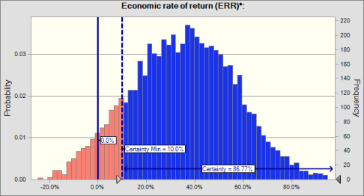
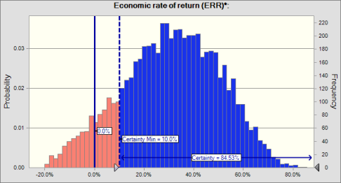

 | Statistics: |  | Forecast values
 |  | Trials | 6,037
 |  | Base Case | 10.7%
 |  | Mean | 30.9%
 |  | Median | 31.7%
 |  | Mode | ---
 |  | Standard Deviation | 19.5%
 |  | Variance | 3.8%
 |  | Skewness | -0.1550
 |  | Kurtosis | 2.52
 |  | Coeff. of Variation | 0.6302
 |  | Minimum | -24.6%
 |  | Maximum | 92.6%
 |  | Range Width | 117.1%
 |  | Mean Std. Error | 0.3%
 |  | Cell Errors | 3963

Forecast: Economic rate of return (ERR)*: (cont'd) |  |  |  |  | Cell: D23

 | Percentiles: |  | Forecast values
 |  | 0% | -24.6%
 |  | 10% | 4.0%
 |  | 20% | 13.9%
 |  | 30% | 20.6%
 |  | 40% | 26.6%
 |  | 50% | 31.7%
 |  | 60% | 36.8%
 |  | 70% | 42.3%
 |  | 80% | 48.4%
 |  | 90% | 56.0%
 |  | 100% | 92.6%

Worksheet: [IndoPM ERR Final-WithSens 20181106.xlsm]Fiscal Space

Forecast: ERR w/ Fiscal Space |  |  |  |  | Cell: C2

 | Summary:
 |  | Certainty level is 89.15%
 |  | Certainty range is from 10.0% to Infinity
 |  | Entire range is from -19.3% to 111.0%
 |  | Base case is 14.2%
 |  | After 5,566 trials, the std. error of the mean is 0.3%

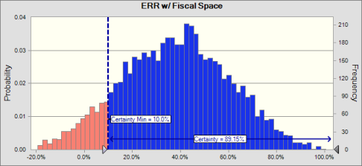

 | Statistics: |  | Forecast values
 |  | Trials | 5,566
 |  | Base Case | 14.2%
 |  | Mean | 38.1%
 |  | Median | 38.4%
 |  | Mode | ---
 |  | Standard Deviation | 22.2%
 |  | Variance | 4.9%
 |  | Skewness | 0.0054
 |  | Kurtosis | 2.61
 |  | Coeff. of Variation | 0.5830
 |  | Minimum | -19.3%
 |  | Maximum | 111.0%
 |  | Range Width | 130.3%
 |  | Mean Std. Error | 0.3%
 |  | Cell Errors | 4434

Forecast: ERR w/ Fiscal Space (cont'd) |  |  |  |  | Cell: C2

 | Percentiles: |  | Forecast values
 |  | 0% | -19.3%
 |  | 10% | 8.8%
 |  | 20% | 18.4%
 |  | 30% | 25.7%
 |  | 40% | 32.6%
 |  | 50% | 38.4%
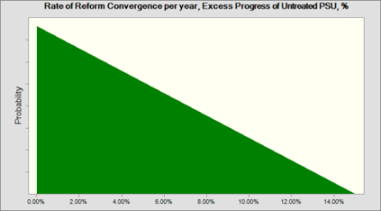
 |  | 60% | 44.1%
 |  | 70% | 50.3%
 |  | 80% | 57.5%
 |  | 90% | 67.5%
 |  | 100% | 111.0%

End of Forecasts
 |  |  |  | Assumptions

Worksheet: [IndoPM ERR Final-WithSens 20181106.xlsm]ERR & Sensitivity Analysis

Assumption: Decrease in Firm Profits attributed to the project, % |  |  |  |  | Cell: D16

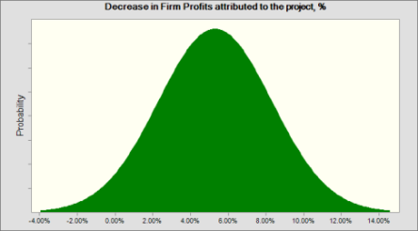
 | Normal distribution with parameters:
 |  | Mean | 5.30%
 |  | Std. Dev. | 3.00%

Assumption: Increase in budget execution attributed to project, % |  |  |  |  | Cell: D18

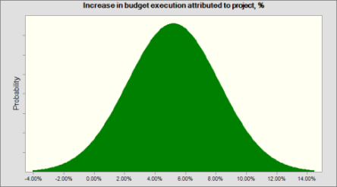
 | Normal distribution with parameters:
 |  | Mean | 5.20%
 |  | Std. Dev. | 3.00%

Assumption: Increase in Value for Money for construction projects (Delta-VfM) attributed to the project, % |  |  |  |  | Cell: D15

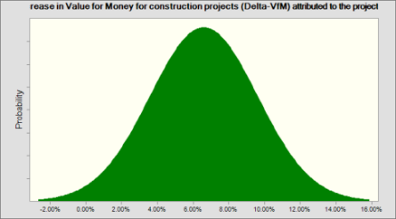
 | Normal distribution with parameters:
 |  | Mean | 6.60%
 |  | Std. Dev. | 3.00%

Assumption: Rate of Reform Convergence per year, Excess Progress of Untreated PSU, % |  |  |  |  | Cell: D19
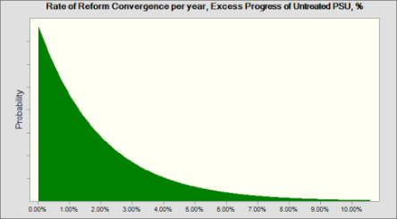
 | Exponential distribution with parameters:
 |  | Rate | 5000.00%

Assumption: Share of Budget Execution in Construction, % |  |  |  |  | Cell: D14

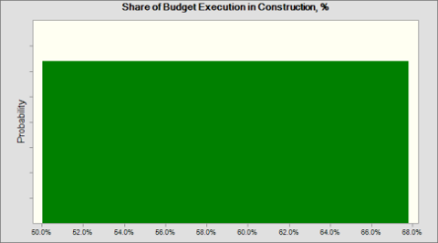
 | Uniform distribution with parameters:
 |  | Minimum | 50.0%
 |  | Maximum | 67.8%

Assumption: Upkeep Cost of Procurement Skills, % of MCC investment |  |  |  |  | Cell: D13

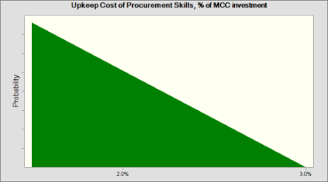
 | Triangular distribution with parameters:
 |  | Minimum | 1.5%
 |  | Likeliest | 1.5%
 |  | Maximum | 3.0%

Worksheet: [IndoPM ERR Final-WithSens 20181106.xlsm]Fiscal Space

Assumption: 0-30% |  |  |  |  | Cell: B18

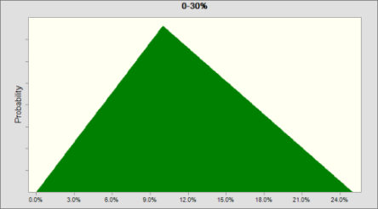
 | Triangular distribution with parameters:
 |  | Minimum | 0.0%
 |  | Likeliest | 10.0%
 |  | Maximum | 25.0%

End of Assumptions

