Page 1
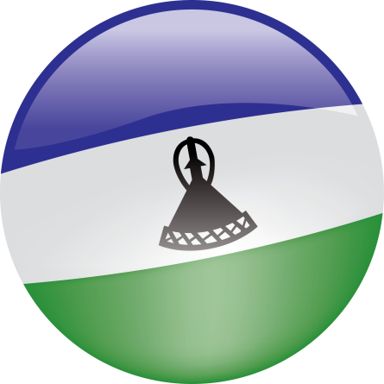
 | Lesotho |  |  |  | Compact Signing Date: |  | 23-Jul-07
 |  |  |  |  | Entry into Force Date: |  | 17-Sep-08
 |  |  |  |  | End of Compact Date: |  | 17-Sep-13
 | Table of Key Performance Indicators |  |  |  | Compact Closeout Period: |  | 18-Sep-13 to 16-Jan-14
 |  |  |  |  | Current Compact Budget: |  | $363 Million
 | (Quarter 21 Results: October to December 2013)

 | Report Date: February 10, 2013

Project/Objective | Projected Economic Benefits and Beneficiaries | Activity/Outcome | Key Performance Indicators | Baseline | End of Compact Target | Quarter 1 through Quarter 20 Actuals (Dec 2013) | Percent Compact Target Satisfied (Dec 2013)

Health Project Objective: Increase access to life-extending anti-retroviral treatment and essential health services by providing a sustainable delivery platform | Estimated discounted $142.4 million increase in income over the life of the investment. Compared to discounted costs of 79.5 million. These income benefits are expected to accrue to 752,000 people. | Health Centers Activity Outcome: Health Centers are equipped and maintained at standards | Deliveries conducted in health centers (%) | 36 | 80 | 47 | 25%
 |  |  | People with HIV still alive 12 months after initiation of treatment (%) | 74 | 80 | 79 | 83%
 |  |  | TB notification (per 100,000 pop) | 640 | 400 | 567 | 30%
 |  |  | Health centers equipped (%) | 0 | 100 | 33 | 33%
 |  |  | Physical completion of health center facilities (%) | 0 | 100 | 88 | 88%
 |  |  | Physical completion of Outpatient Departments (OPDs) (%) | 0 | 100 | 99 | 99%
 |  |  | Physical completion of the Botsabelo facilities (BTS) (%) | 0 | 100 | 100 | 100%
Water and Sanitation Project Objective: Improve the water supply for industrial and domestic needs, and enhance rural livelihoods through improved watershed management | Estimated discounted $234.9 million increase in income over the life of the investment. Compared to discounted costs of $192.8 million. These income benefits are expected to accrue to 361,122 people. | Metolong Dam Ancillary Works Activity Outcome: Bulk water supply to lowlands is increased | Physical completion of Metolong water treatment works contract | 0 | 100 | 82 | 82%
 |  | Urban Water Supply Activity Outcome: Urban domestic water supply is improved | Households with provisions to connect to water networks | 0 | 2,454 | 2,312 | 94%
 |  |  | Non-revenue water (%) | 34 | 25 | 27 | 78%
 |  |  | Physical completion of Urban Water supply works contracts (%)* | 0 | 100 | 96 | 96%
 |  | Rural Water Supply and Sanitation Activity Outcome: Rural water supply is expanded and sanitation is improved | VIP Latrines built | 0 | 27,245 | 29,352 | 108%
 |  |  | Water points constructed | 0 | 250 | 175 | 70%
Private Sector Development Objective: Stimulate investment by improving access to credit, reducing transaction costs and increasing the participation of women in the economy | Estimated discounted $61.6 million increase in income over the life of the investment. Compared to discounted costs of $25 million. These income benefits are expected to accrue to 368,300 people. | Payments and Settlement System Activity Outcome: Payment transaction processes are simplified | Debit/Smart cards issued | 0 | 50,000 | 11835 | 24%
 |  | Land Reform Activity Outcome: Strengthen land market and increase in loans | Bonds registered | 161 | 500 | 353 | 57%
 |  |  | Change in time for property transactions (%) | 0 | -71 | -93 | 131%
 |  |  | Urban land parcels regularized and registered | 0 | 55,000 | 23,928 | 44%
 |  |  | Stakeholders trained | 0 | 243 | 575 | 237%
 |  | Civil Legal Reform Activity Outcome: Commercial dispute resolution is increased | Time required to resolve commercial disputes (Days) | 129 | 350 | 275 | 66%
 |  |  | Cases filed at the commercial court | 149 | 1,200 | 297 | 14%
 |  | Gender Equality Activity Outcome: Knowledge, attitudes, and practices of women’s economic rights are improved | Women holding titles to land | 3,214 | 6,000 | 26,342 | 830%
 |  |  | People trained | 0 | 6,000 | 6,192 | 103%
*Calculated as the average of of five separate packages of urban water supply contracts (Semonkong; Mafeteng, Mohale's Hoek, Quthing, and Qacha's Nek; Mokhotlong, Botha-Bothe, Leribe and Maputsoe; and Mapoteng)

